aerogel_measurement
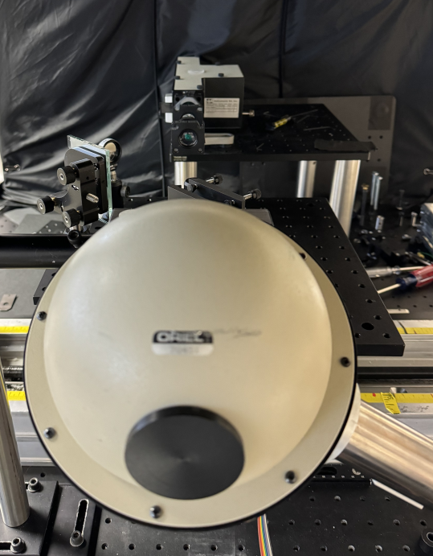
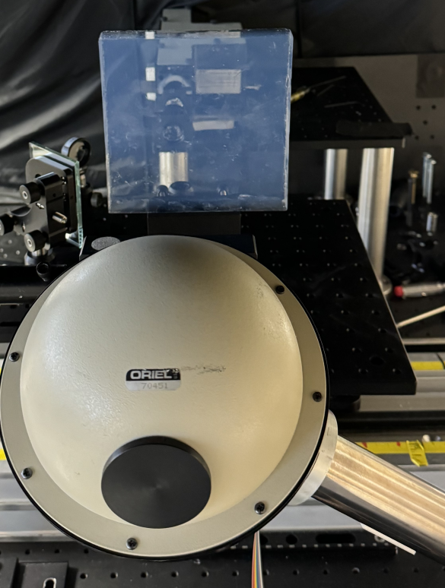
 | Ref (nA) | Signal (nA) | Transmission (%) | Corrected
300 | 64.96 | 9.67 | 0.1488608374 | 0.1860760468
330 | 182 | 48.15 | 0.2645604396 | 0.3307005495
360 | 390 | 152.5 | 0.391025641 | 0.4887820513
420 | 830 | 475 | 0.5722891566 | 0.7153614458
450 | 1050 | 635 | 0.6047619048 | 0.755952381
480 | 930 | 642 | 0.6903225806 | 0.8629032258
500 | 720 | 510 | 0.7083333333 | 0.8854166667
550 | 657 | 500 | 0.7610350076 | 0.9512937595
600 | 460 | 360 | 0.7826086957 | 0.9782608696

Signal (nA) vs.

Reflectivity_measurement
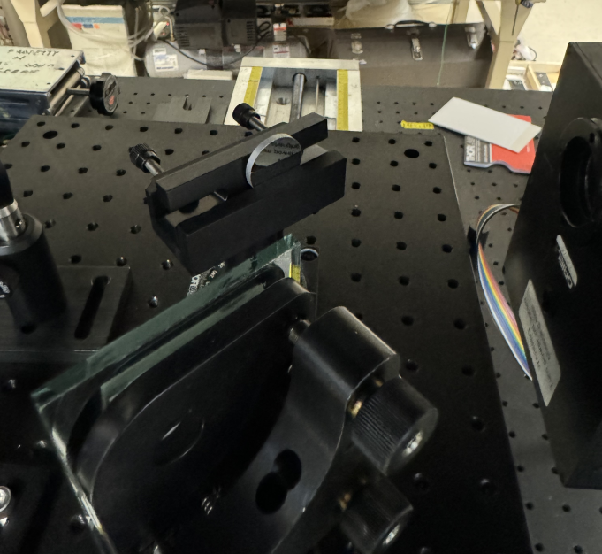
 | EIC Mirror | 1/4 Round 2 | Reflecticity | Absolute Reflectivity
300 | 1.56 | 1.35 | 0.8653846154 | 0.7355769231
330 | 3.34 | 2.6 | 0.7784431138 | 0.7005988024
360 | 8.8 | 7 | 0.7954545455 | 0.7159090909
390 | 16.3 | 13.9 | 0.8527607362 | 0.7674846626
420 | 25.5 | 23.1 | 0.9058823529 | 0.8152941176
450 | 43.4 | 38.7 | 0.8917050691 | 0.8025345622
480 | 47.6 | 40.9 | 0.8592436975 | 0.7733193277
500 | 53.1 | 50.7 | 0.9548022599 | 0.8593220339

