Example
These are emaples how to provide the cooling invormation

ToF Barrel | ToF Forward

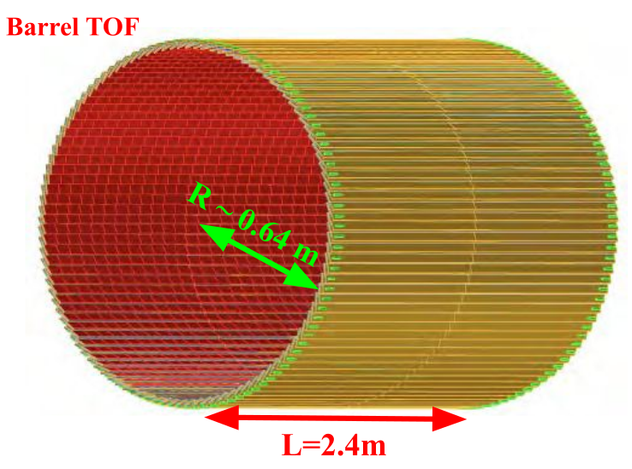
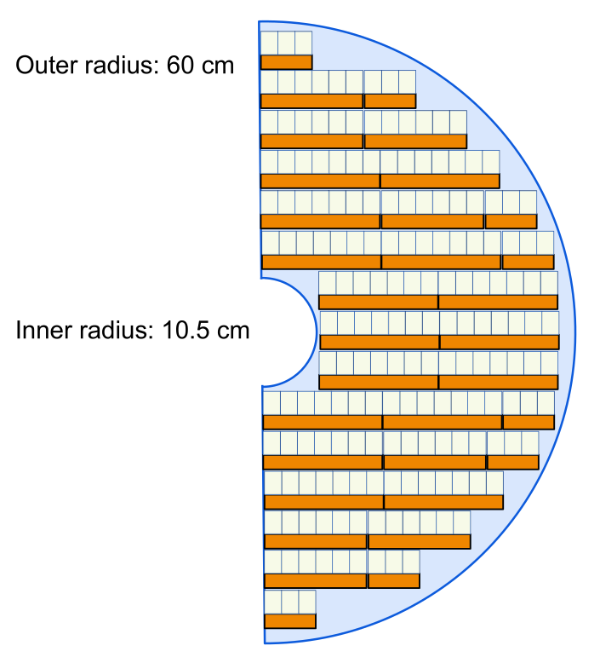

Indicate the heat sources at the detector and how they are distributed over the detector volume
are the heat sources at the rim of the detector or over the entire volume or a mix

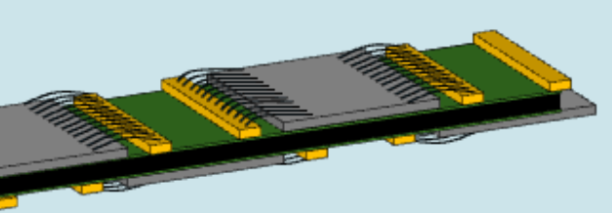
Double-sided staves
ASIC
Strip-Sensor

What is the heat source: ASIC, Stave, FEB, RDO, or ….

Power per each heat source

What simulations of the heat distribution have been done ?
What assumption went into the simulations?
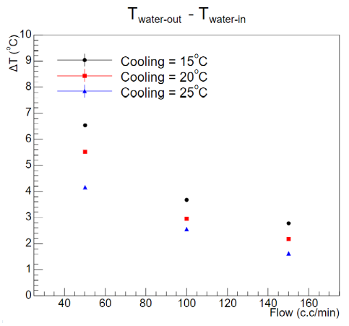

What assumtions are made for the cooling system
Coolant
Flow
Are there limitations on the material budget the cooling can have

What are the requirements for the cooling system
Required Temperature stability
operation temperature of the detector (range if possible)
any limits on allowed vibration of detector

Are there other heat sources not directly I nthe detector volume which need cooling
Example: DC-to-DC converters, patch-panels, ….....
Provide the same information and requirements as for the cooling of the same subsystem

MPGD Disks
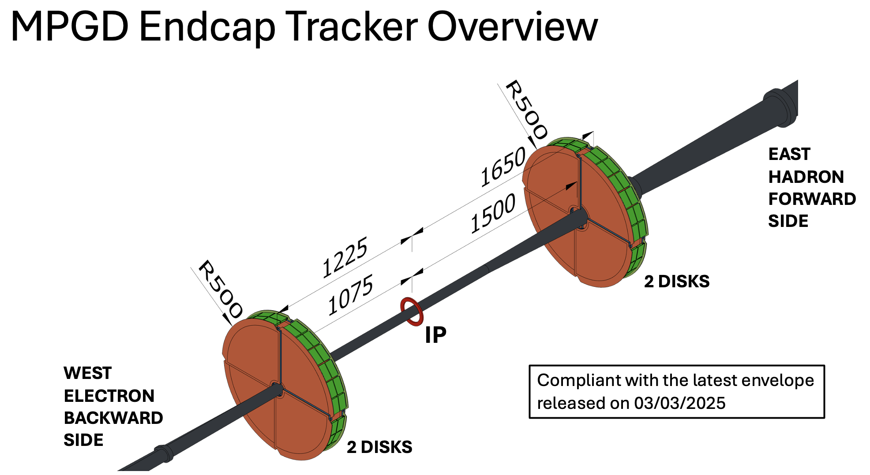
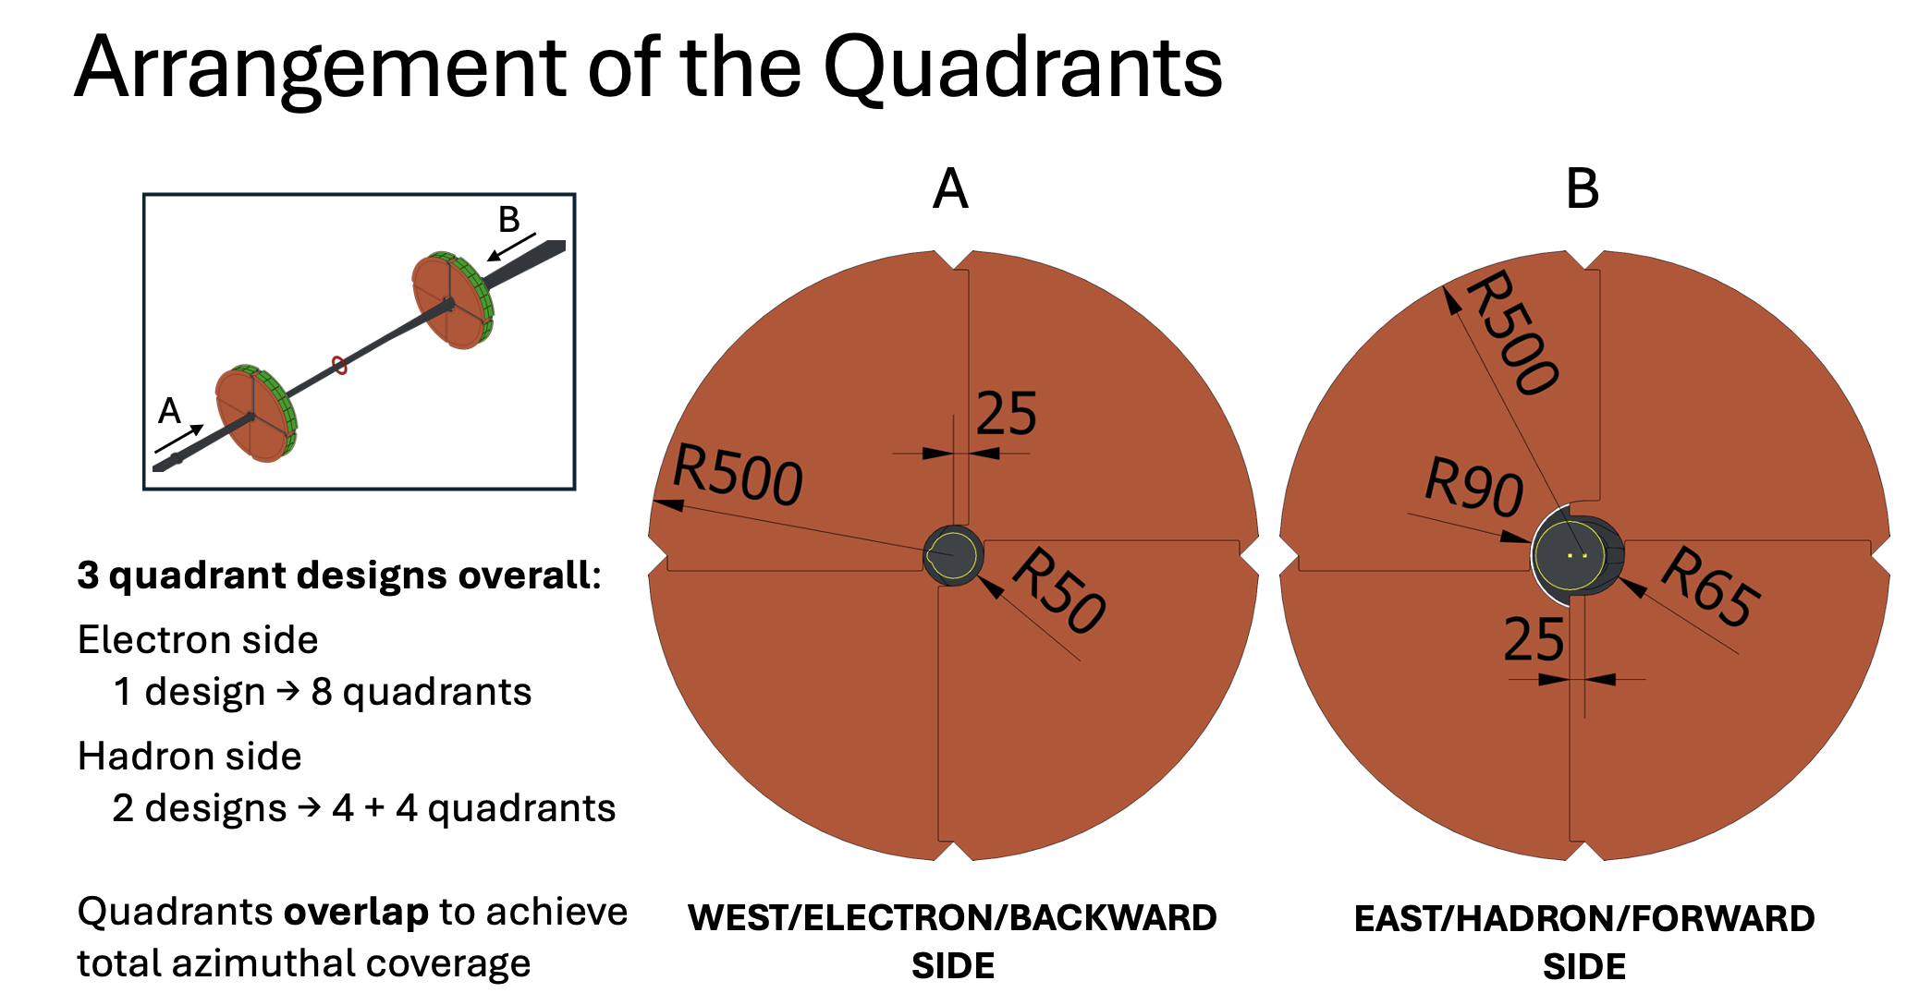
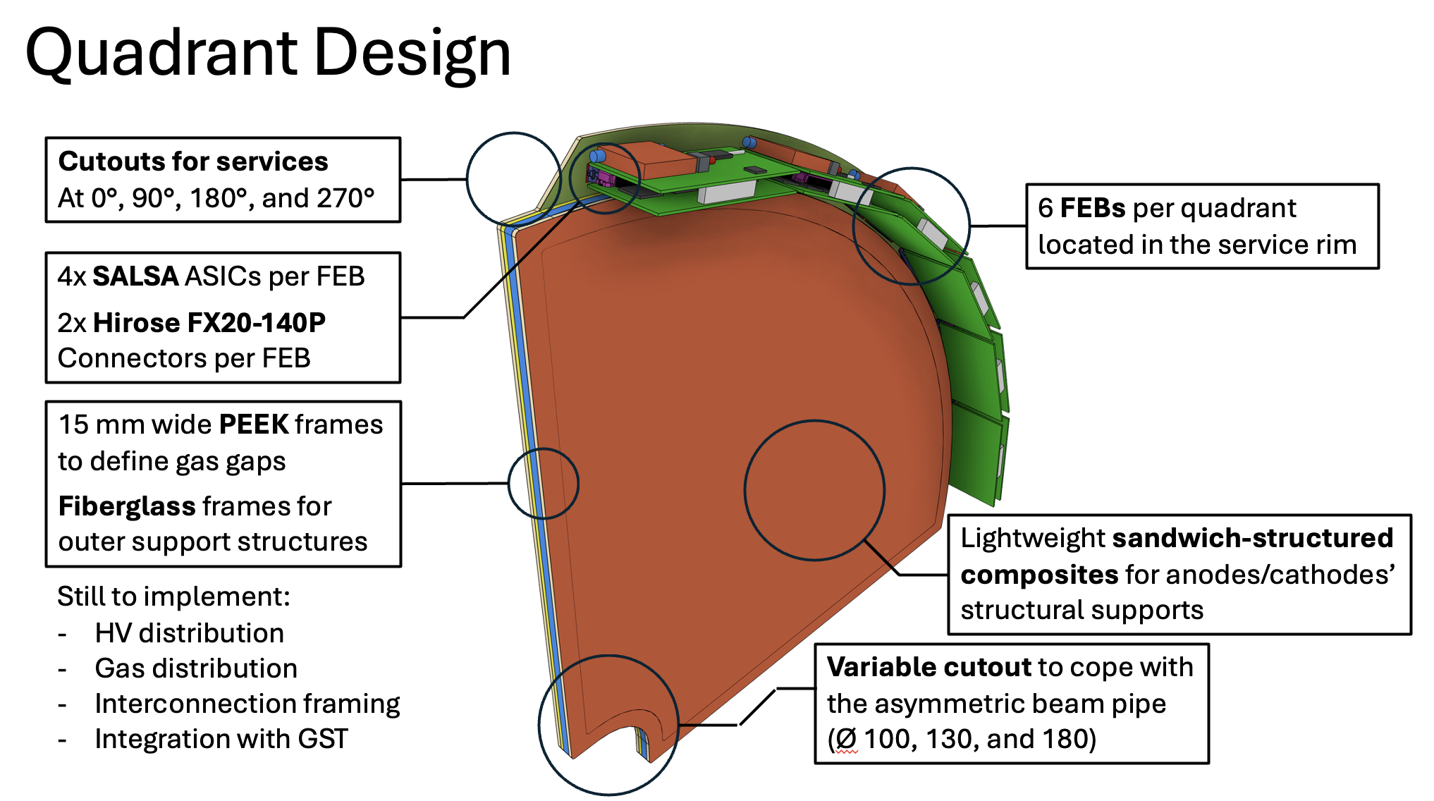
 | MPGD Endcap Disks (MPGD ECT)

Total of 16 quadrants (4 quadrants X 4 disks)
6 FEB/quadrant = 96 FEB in total |  |  |  | Heat sources are ONLY the Front End Boards (FEBs) distributed all around the outer ring of the discs
 |  |  |  | Heat sources on FEBs: ASIC, LDO, LpGBT, VTRx
Extimated heat |  | ~6.8 W / FEB (8.5 W with 25% safety margin) |  |  | given current figures for electronics' power output
Heat per quadrant = 50 W |  |  | Total Heat = 800 W

Cooling requirement similar to MPGD Outer and MPGD Inner:
 | Cooling System Assumtions:
 | Coolant | Demineralized Water+anti-corrosive + 5% ethanol (anti-weed) at 18°C ?
 | Flow | ~few l/minute

 | Cooling System Requirements:
 | Required Temperature stability : |  |  |  | not critical for FEBs (+/- 2 °C)
 | operation temperature of the detector (range if possible) |  |  |  | 15-25 °C ? to be evaluated to guarantee Gas temperature stability inside the disks volume (+/- 1 °C ?), preventig condensation
 | any limits on allowed vibration of detector

 | Are there other heat sources not directly in the detector volume which need cooling?
 | DC-to-DC converters !
 | cooling requirements not yet evaluated

MPGD Outer
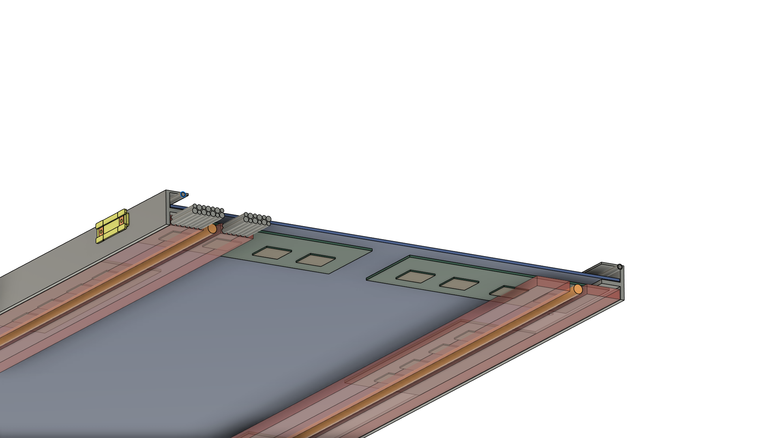
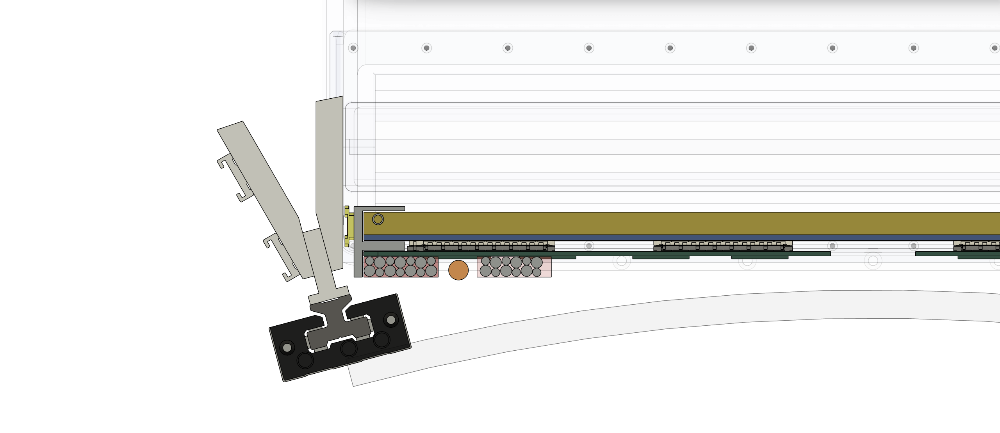
 | Barrel Outer Tracker (BOT) |  |  |  | Vew from IP |  | Service line from sectional vew (between DIRC and CF tube)
 | Radial Envelope: R = 735 mm to 760 mm
 | Two MPGD modules per sector, Total 12 sectors
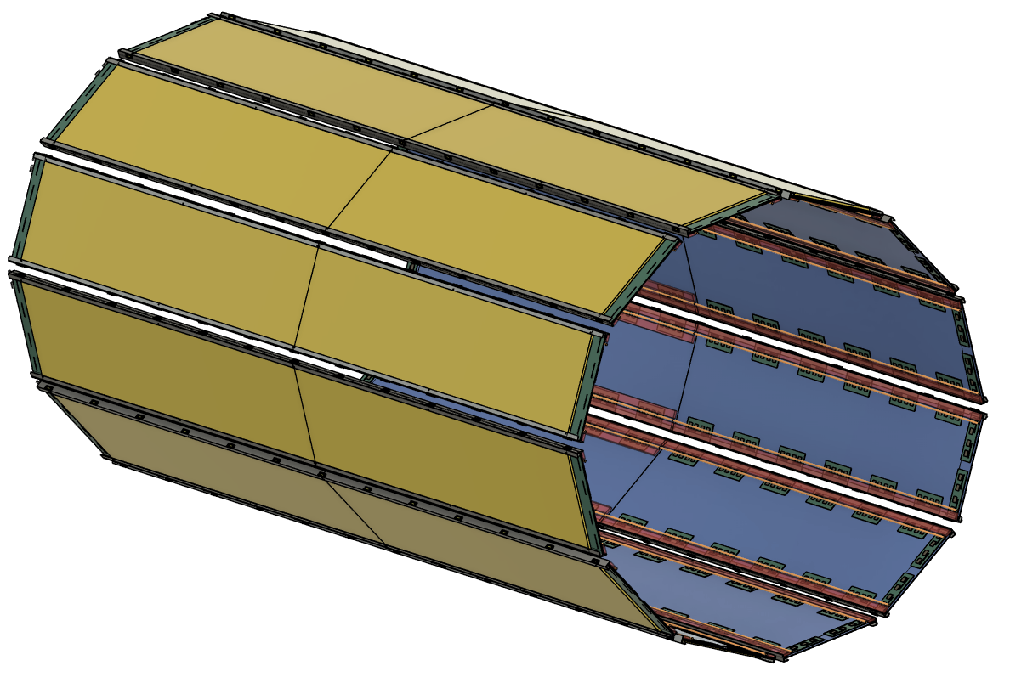

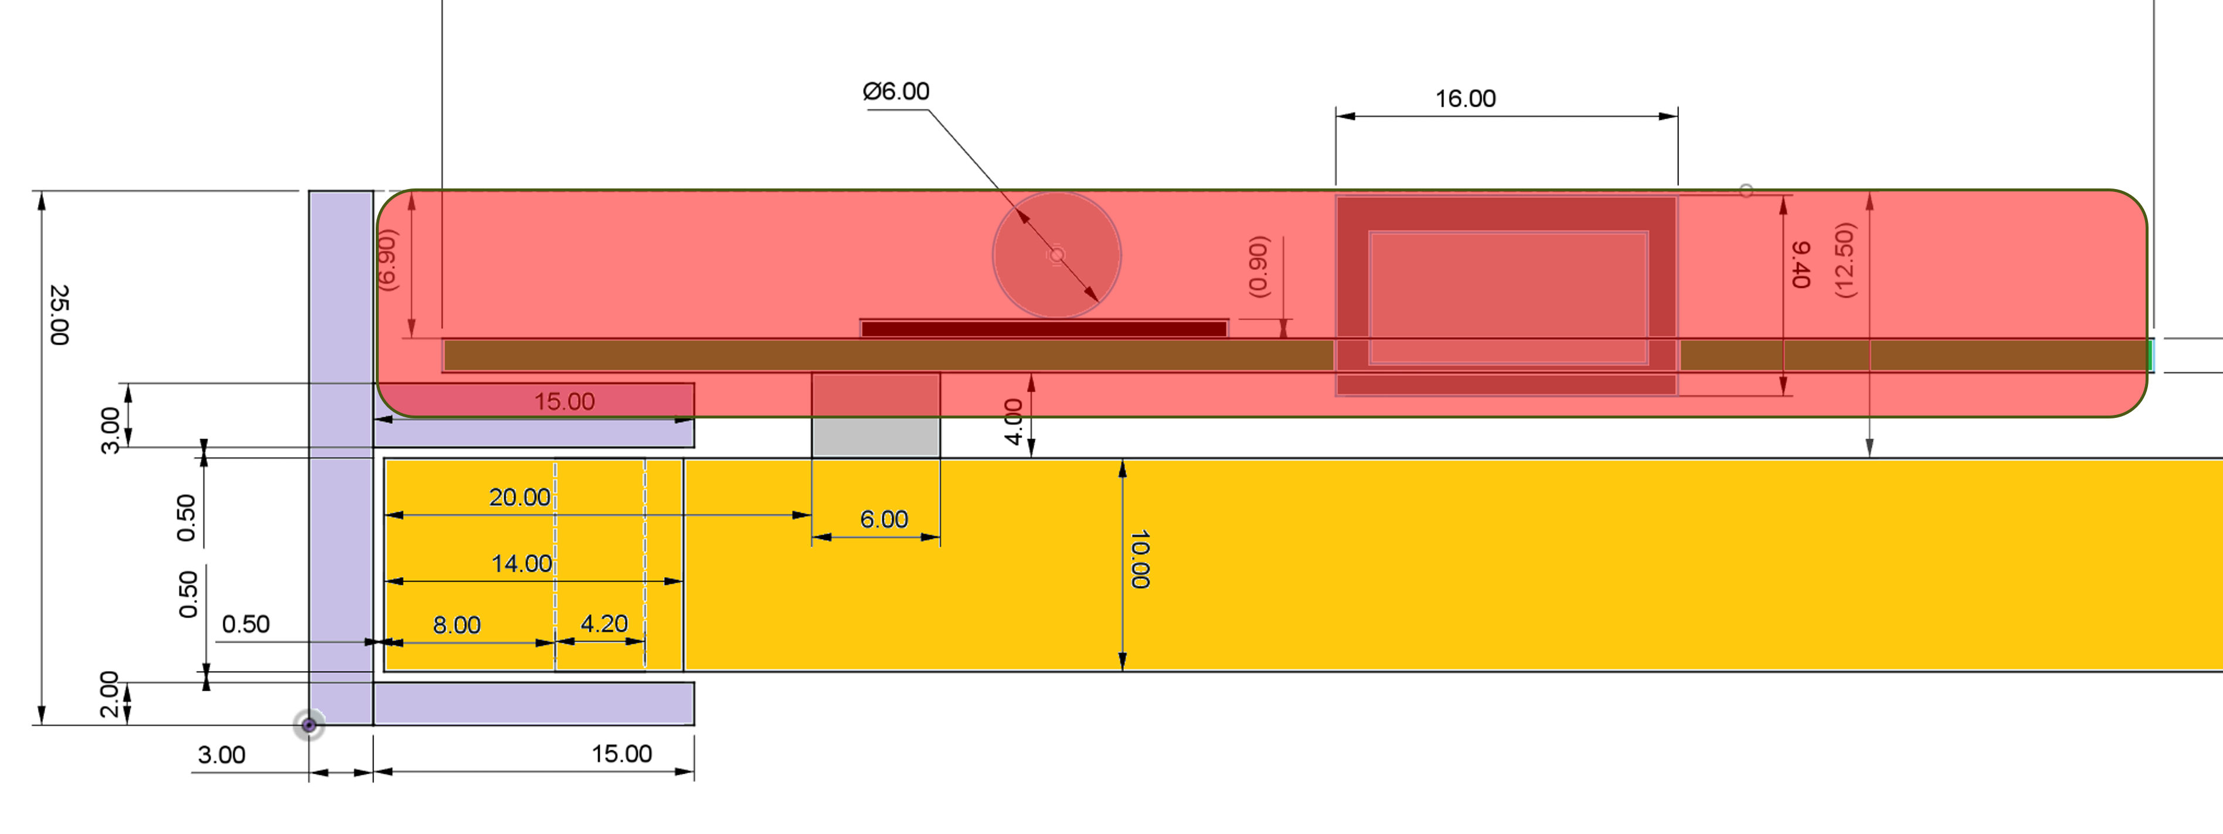
 |  |  |  |  |  | RED area will be service lines

14 FEB/module |  | 28 FEBs/Sector | 336 FEBs total | 12 Service Sectors (1 sector serving 2 MPGD modules)
~6.8 W / FEB (8.5 W with 25% safety margin) |  |  |  | 238 Watt per sector
Heat sources on FEBs: ASIC, LDO, LpGBT, VTRx

Cooling requirement will be similar to Inner MPGD.
Weight estimation is ongoing

FEB | 300 g
MPGD

MPGD Inner
 | CyMBaL Barrel

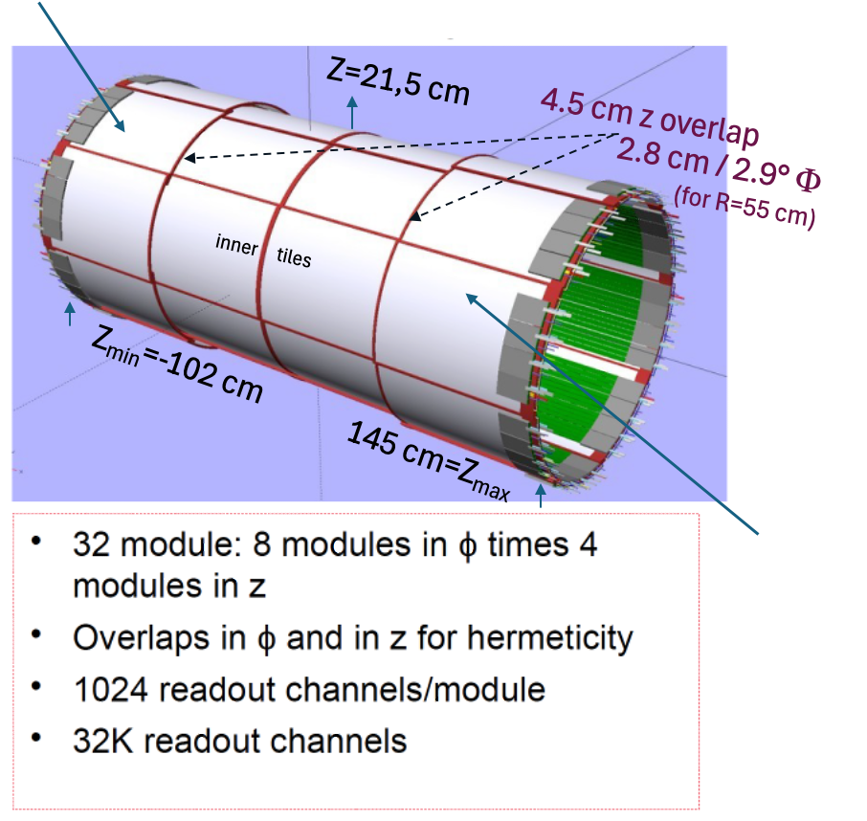
Z- Outer tiles
 |  |  |  |  |  | One of the 16 outer tiles tiles

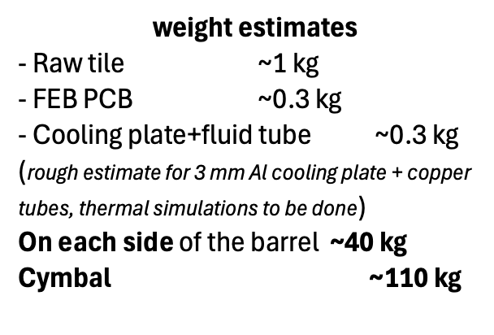

 |  |  |  |  |  | One of the 16 inner tiles tiles

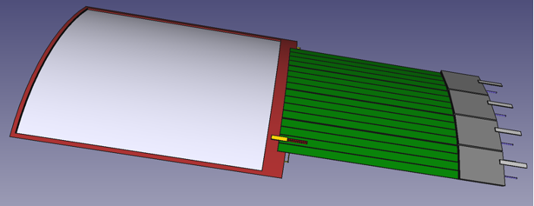

 |  |  |  |  | Z+ Outer tiles

 | Heat sources are ONLY the Front End Boards (FEBs) distributed all around the 2 sides of the circumference of the Barrel (2x64 FEBs)

~6.8 W / FEB (8.5 W with 25% safety margin) ---> ~2 x 5.5 kW on each side of the barrel

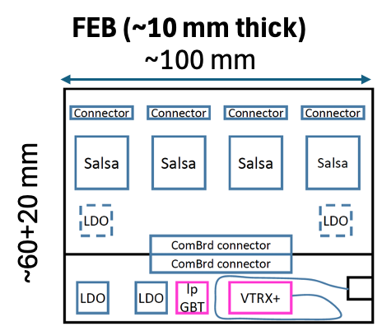
 | Heat sources on FEBs: ASIC, LDO, LpGBT, VTRx
 |  |  |  | 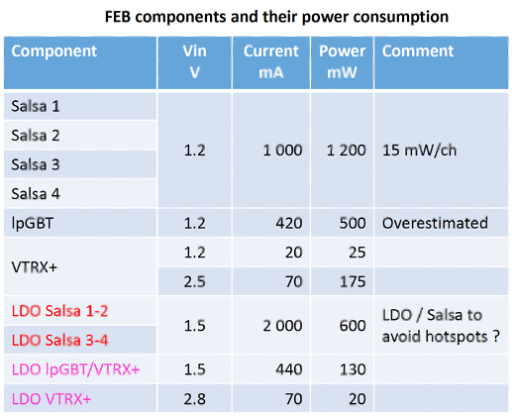

Simulation of ther heat cooling not yet done

Could be derived from the one of the T2K/ND280 HA-TPC readout FEBs which have very similar heat dissipation (but to be more compact for CyMBaL)
T2K/ND280 HA-TPC readout FEBs : 7W/FEB, cooled at ~25°C +/- 0.2 °C by 3 l/minute 18°C water flow in copper tubes on aluminum cooling plate (negative pressure system)

 | What assumtions are made for the cooling system
 | Coolant | Water+anti-corrosive at 18°C ?
 | Flow | ~few l/minute
 | Are there limitations on the material budget the cooling can have

 | What are the requirements for the cooling system
 | Required Temperature stability : |  | not critical for FEBs (+/- 2 °C) but
 | operation temperature of the detector (range if possible) |  |  |  | 15-25 °C ? to be evaluated regarding Gas temperature stability inside the tiles volume (+/- 1 °C ?)
 | any limits on allowed vibration of detector

 | Are there other heat sources not directly I nthe detector volume which need cooling
 | DC-to-DC converters !
 | cooling requirements not yet evaluated

ToF Barrel
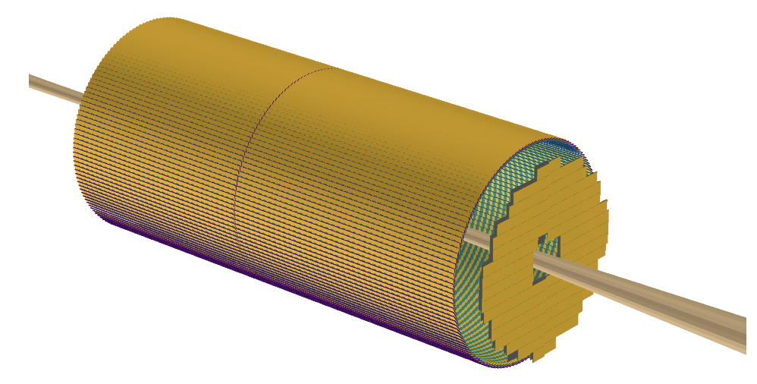

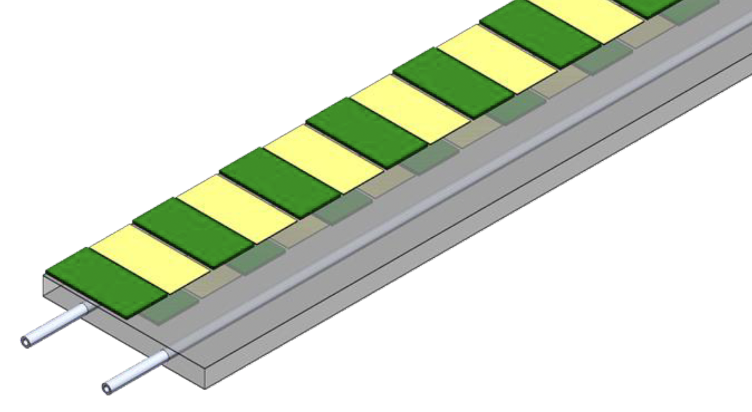

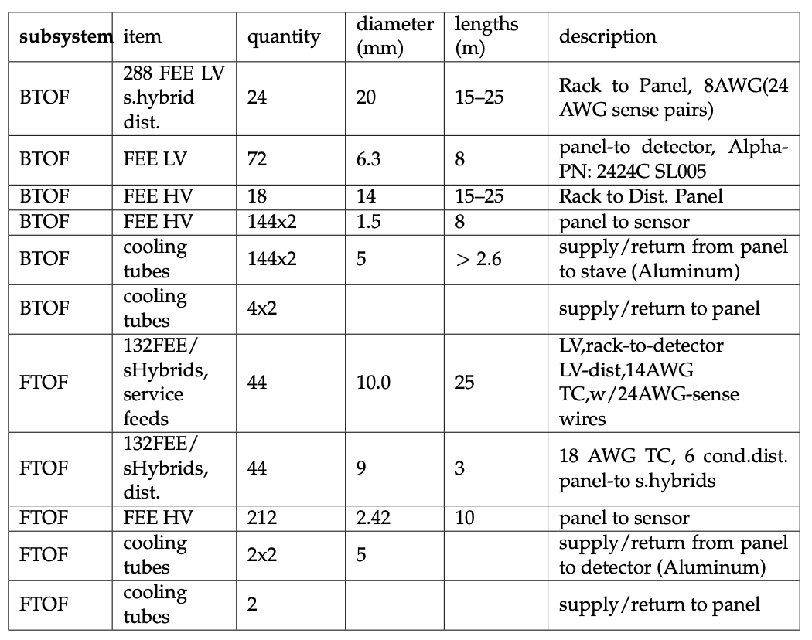

ToF Forward
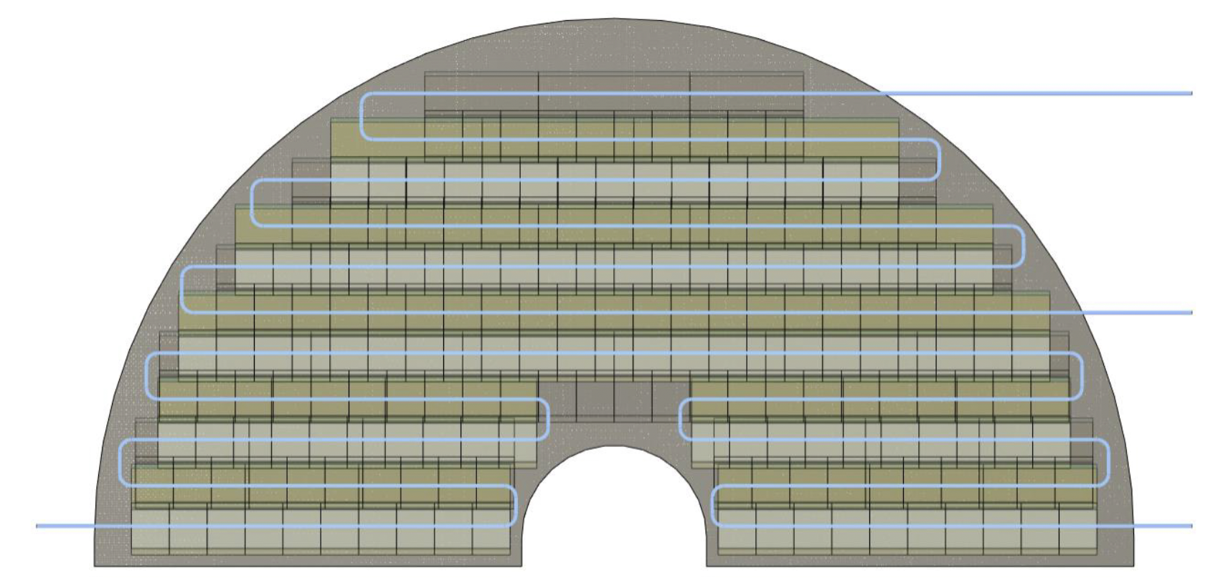

RICH Forward
Describe the Detector layout: figures of the layout detailed and large area are critical

dRICH

The heat sources in the dRICH are primarily located inside the photodetector boxes

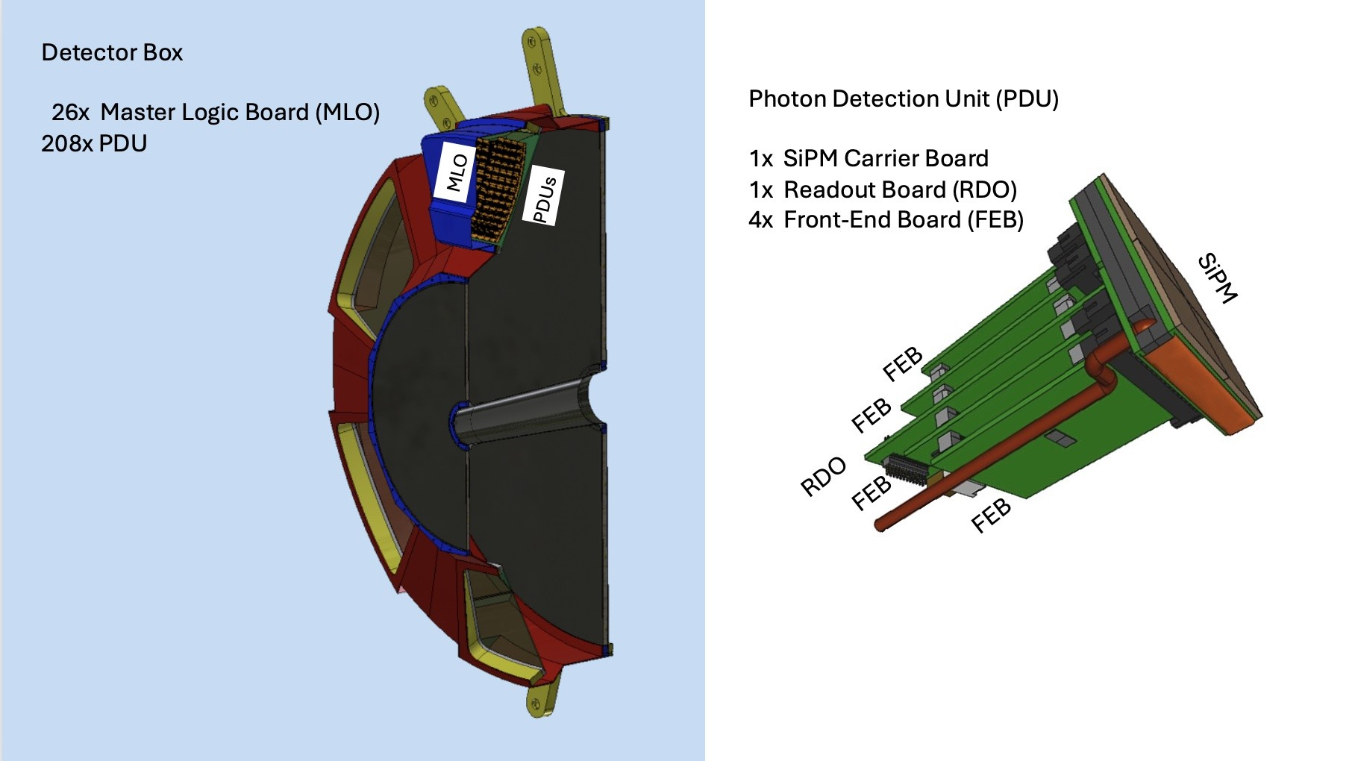
We distinguish two operation modes: physics, annealing

During physics operation, these are the main elements of the detector that contain heat sources
 | RDO board
 | FEB board
 | MasterLogic board

 | The heat sources within the RDO board are
 |  | the voltage regulators
 |  | the main FPGA (Xilinx Artix Ultrascale+)
 |  | the auxiliary PFGA (Microchip Polarfire)

 | The heat sources withing the FEB board are
 |  | the voltage regulators
 |  | the ALCOR ASIC chip

 | The heat sources withing the MasterLogic board are
 |  | the SiPM bias voltage regulators
 |  | the elements of the control logic

 | The total power consumption for each dRICH photodetector box is 1.8 kW and it is split as follows
 |  | 720 W for the FEB analog voltage
 |  | 620 W for the FEB and RDO digital core voltage
 |  | 840 W for the FEB and RDO digital IO voltage
 |  | 170 W for the SiPM bias voltage regulators
 |  | 25 W for the ancillary power of the MasterLogic boards

 | It can be assumed that the heat sources are evenly distributed within the dRICH photodetector boxes

During annealing operation, these are the main elements of the detector that contain heat sources
 | PDU head
 | FEB board
 | MasterLogic board

 | The heat sources within the PDU head are
 |  | the SiPM sensors
 |  | the heat exchanger
 |  | the pipes

 | The heat sources within the FEB are
 |  | annealing diodes

 | The heat sources withing the MasterLogic board are
 |  | the elements of the control logic

 | The total power consumption for each dRICH photodetector box is 3.5 kW and it is split as follows
 |  | 3.3 kW on the SiPM sensors
 |  | 200 W on the annealing diodes

 | The heat sources are not evenly distributed within the dRICH photodetector boxes.
 | Annealing is done on one PDU every 8, therefore there might be strings of PDUs being annealed at the same time.
 | Nonetheless, one has to consider the thermal power being brough inside the photodetector boxes by the heating fluid.
 | All the heat exchangers of the PDU head will be at a static temperature of T = 100 C, as well as the pipes for the fluid.

The dissipated heat has been measured on real components (FPGA/regulators) or calculated via electronics simulation tools (ASICs)

Indicate the heat sources at the detector and how they are distributed over the detector volume
are the heat sources at the rim of the detector or over the entire volume or a mix

What is the heat source: ASIC, Stave, FEB, RDO, or ….

Power per each heat source

What simulations of the heat distribution have been done ?
What assumption went into the simulations?

What assumtions are made for the cooling system
Coolant
Flow
Are there limitations on the material budget the cooling can have

What are the requirements for the cooling system
Required Temperature stability
operation temperature of the detector (range if possible)
any limits on allowed vibration of detector

Are there other heat sources not directly I nthe detector volume which need cooling
Example: DC-to-DC converters, patch-panels, ….....
Provide the same information and requirements as for the cooling of the same subsystem

RICH Backward
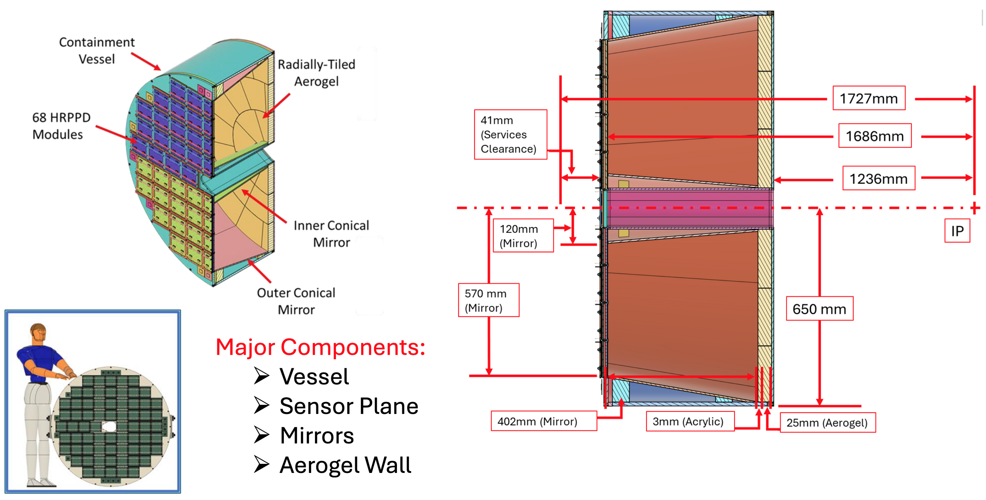
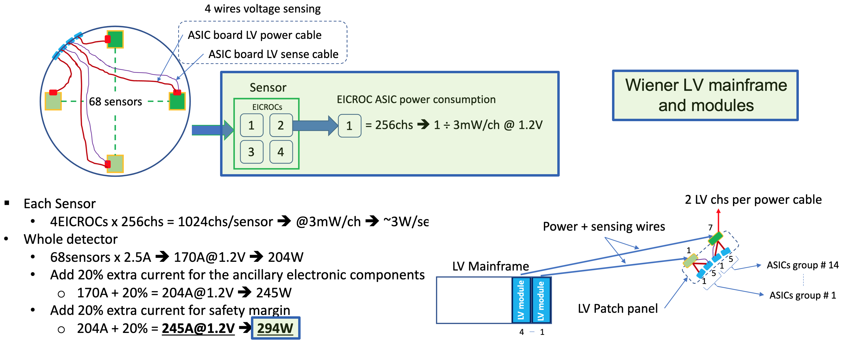
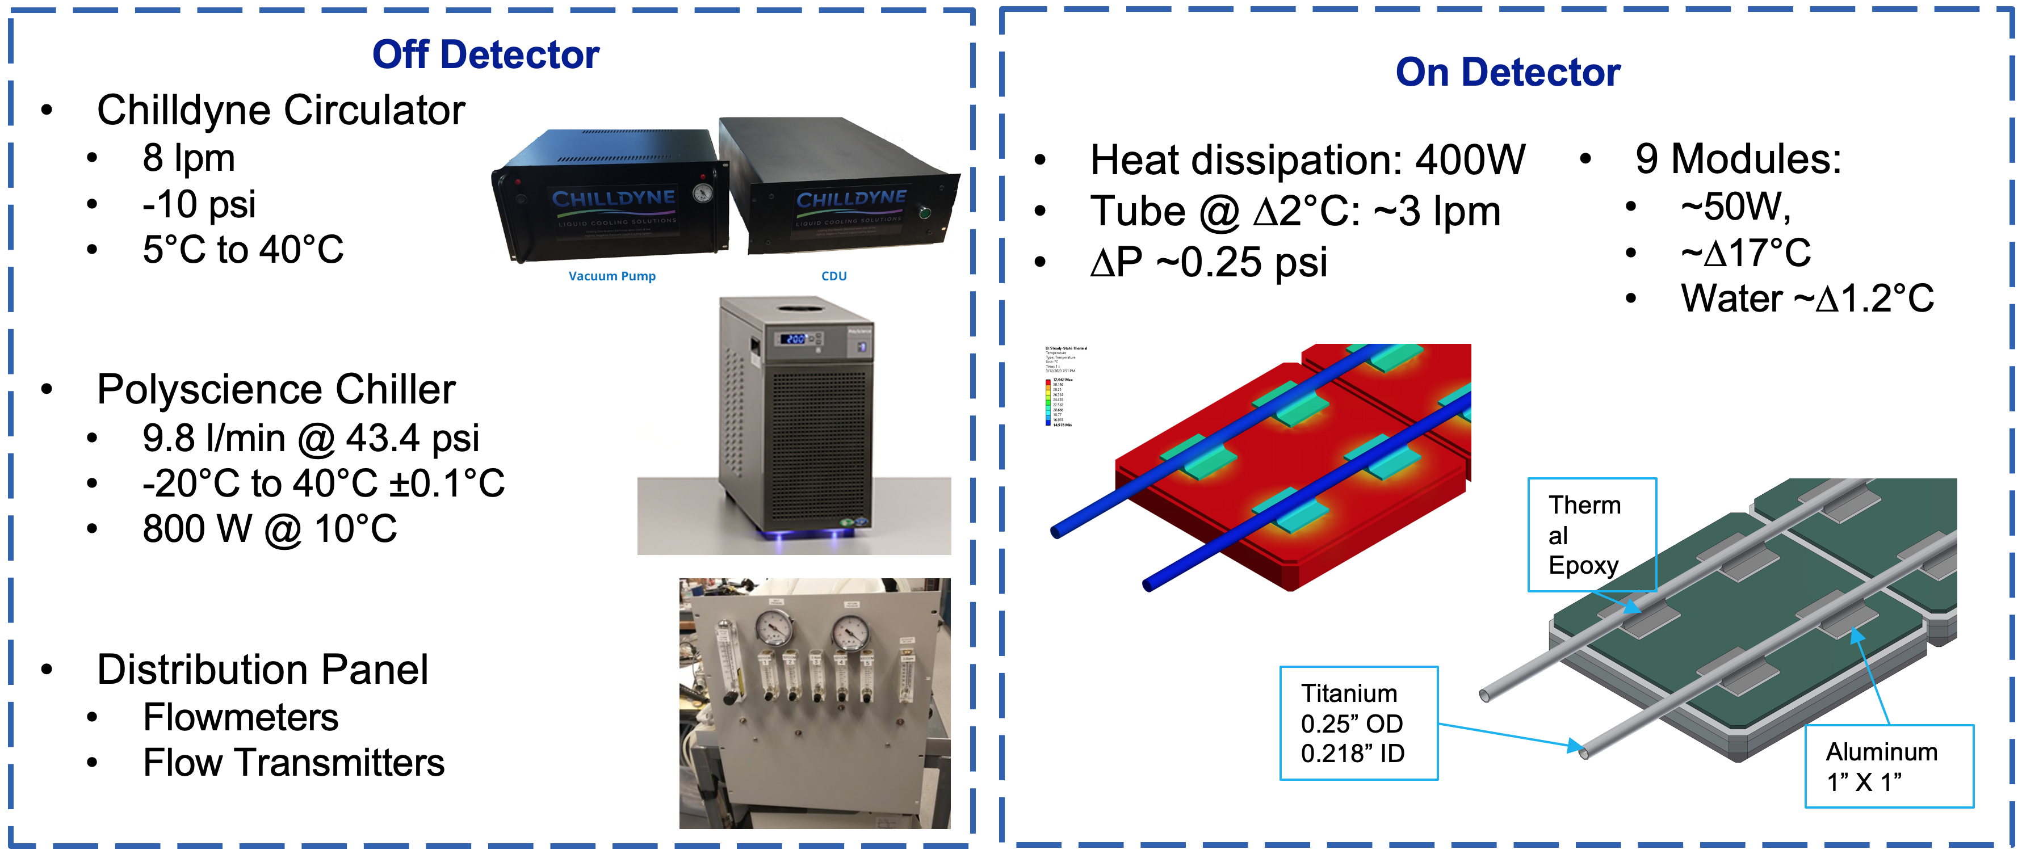

pfRICH LV and cooling system layout and estimates are based on a configuration with four hypothetical 256ch EICROC ASICs.
Respective slides have not been changed since July 2023 PID review. Will be reworked once more information on FCFD becomes available.
Cabling and other services are summarized in | https://brookhavenlab.sharepoint.com/:x:/r/sites/EICPublicSharingDocs/_layouts/15/Doc.aspx?sourcedoc=%7B06F1F7D1-F444-497A-AE5D-37F639F6FAAE%7D&file=ePIC.Interface%20Control%20Document%20for%20Services.052023.xlsx&action=default&mobileredirect=true&DefaultItemOpen=1
See also slides 6-11 in a TIC meeting summary of pfRICH leadership meeting with the EIC Project on 10/16/2024: |  | https://indico.bnl.gov/event/25169/contributions/97905/attachments/58137/99879/ayk-2024-10-28-tic-meeting-pfrich.pdf

ECal Barrel PbScifi + AstroPix
Detector description
End of sector box ESB (located at the end of the sectors)
Electron-going side: conflict wit DIRC lens/expansion box requires BIC ESB to pull out longitudinally by 1.5 cm and then pull out radially for servicing - 1.5 cm confirmed with the Project
Hadron-going side will pull our longitudinally for servicing

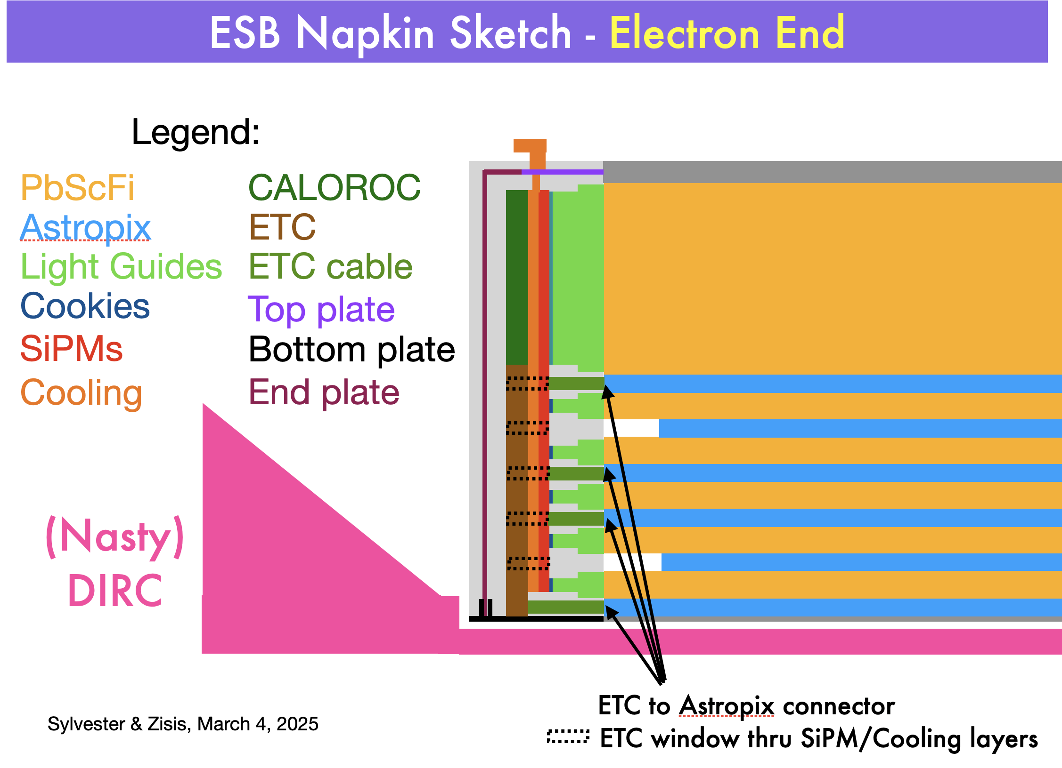

Cooling comments and assumptions

UManitoba is currently looking at: a) thermal conduction of Astropix through the lead SciFi and b) ESB cooling for SiPM stability and ETC and CALOROC heat removal.
We may use a thermal pad behind the SiPM layer or a metal-core PCB for heat removal
Forced air in the ESB? Still considering this for pushing out heat from AstroPix trays if needed (i.e. if heat conduction through the PbScFi is not sufficient)
Regina can build the cooling lines. Assuming a cooling snake that runs by all the SiPMs, we could fit a 1-cm-diameter copper line between SiPM rows.
 | NASA: roughly 1 W per ETC card (the FPGA basically), so 4 W per box; Connector at the end of each the Astropix tray, then we can use cables to go to the ETC cards which could sit in the volume under the CALOROC (brown volume in above figure) and receive heat removal from the pad or metal-core PCB
 | Regina-design SiPM summing and amplification, 8 W total per ESB box (upper limit) but some of the electronics processing will be undertaken by CALOROC and there for the 8W should drop
 | HGCROC chip: 4W each and operate at 40 C without cooling (from interface document)

Coolant |  | Chilled water at 5C on chiller, 7 C on SiPMs/ N2 or dry air to push out condensation
Flow |  | Not known yet
Material Budget |  | Possibly 1-cm-diameter copper inside the ESB could by PVC lines outside' not verified yet

Cooling sources

SiPMs | Their summing and amplification boards (OPamps)
ETCs | FPGA
CALOROC | ASIC
AstroPix | ASIC | 2 mW/cm^2
AstroLinx | hybrid PCB | power regulators

Cooling requirements

SiPMs | Temperature stability similar to GlueX-BCAL: +/-2 C with chilled water; gain is stabilized using a custom circuit that adjusts the bias voltage based on the measured temperature
ETCs | heat removal; keep below 40 C?
CALOROC | heat removal; keep below 40C?
AstroPix | heat removal; maintain room temperature (20 +/- 3 C)
AstroLinx | heat removal; maintain room temperature (20 +/- 3 C)

Very preliminary estimate of power per ESB

ECal Forward
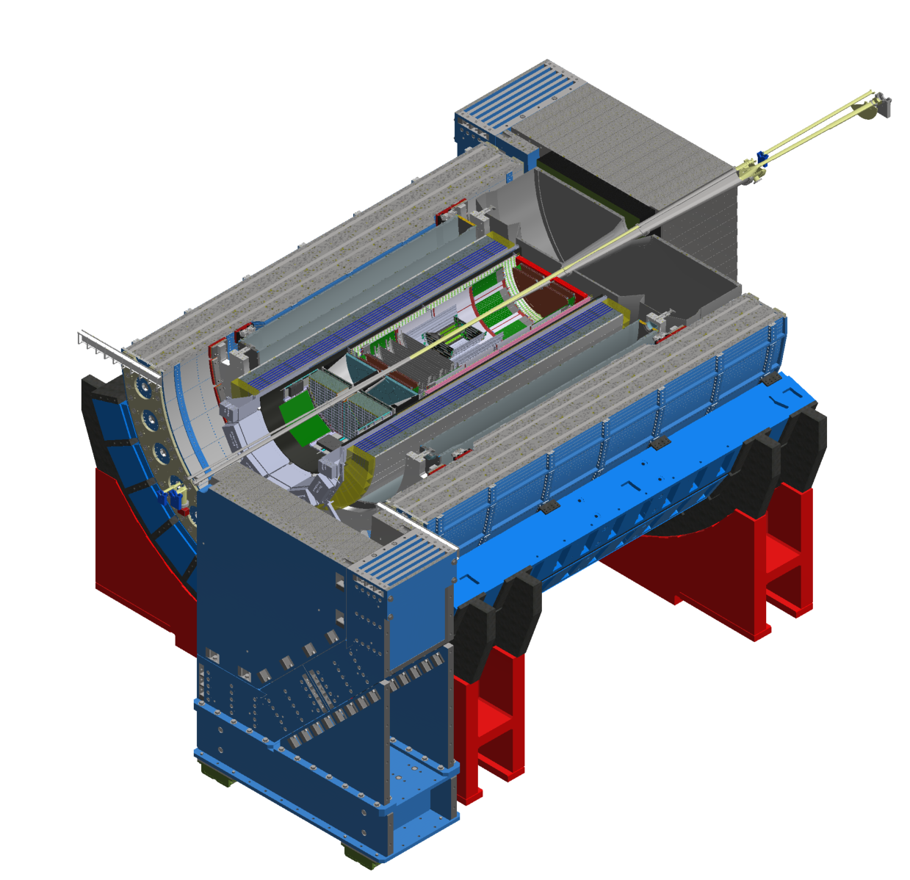
Detector Layout |  |  |  |  |  |  | Cooling System Description
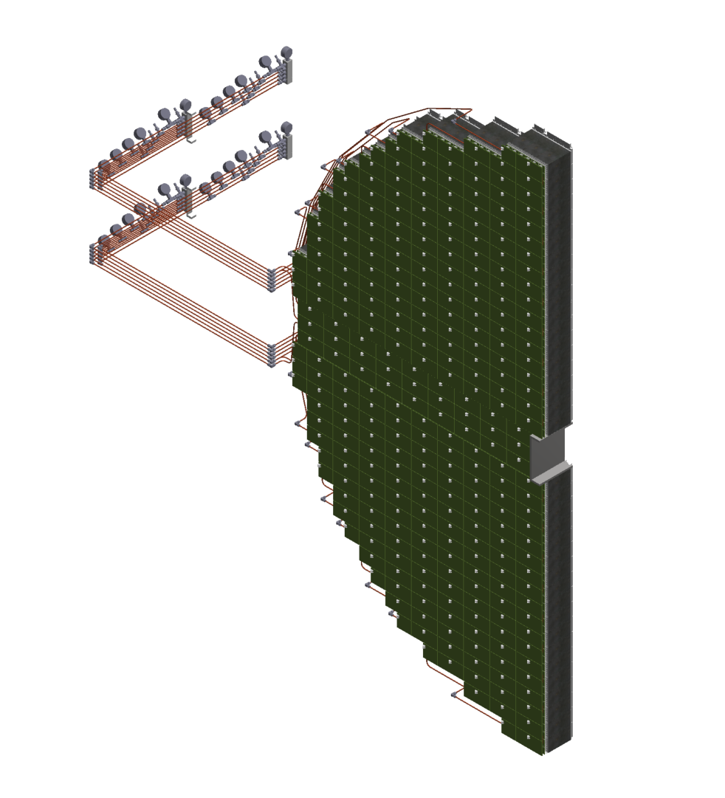
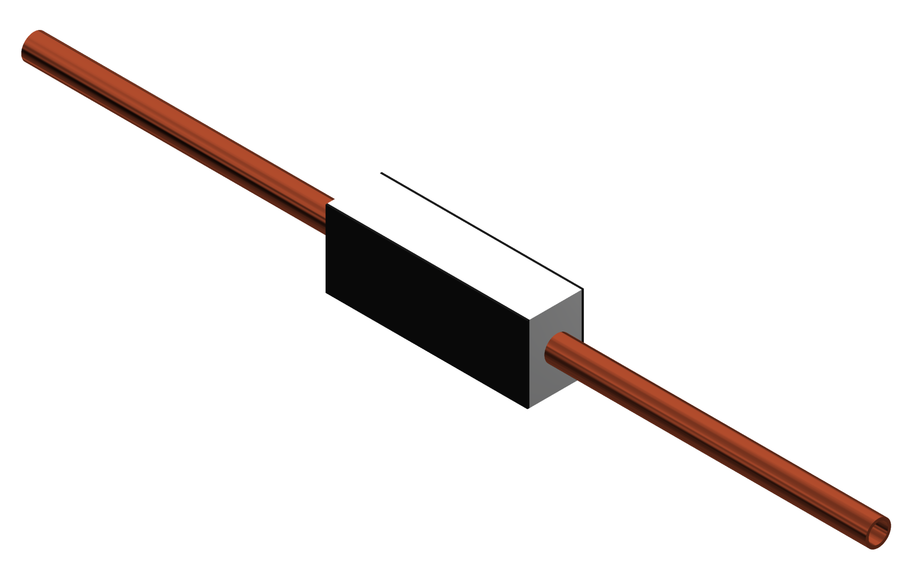
fECal
Inflow
Outflow
Thermal Pads
Aluminum Heat Sink
Copper Tube (0.25in OD, 0.19in ID)

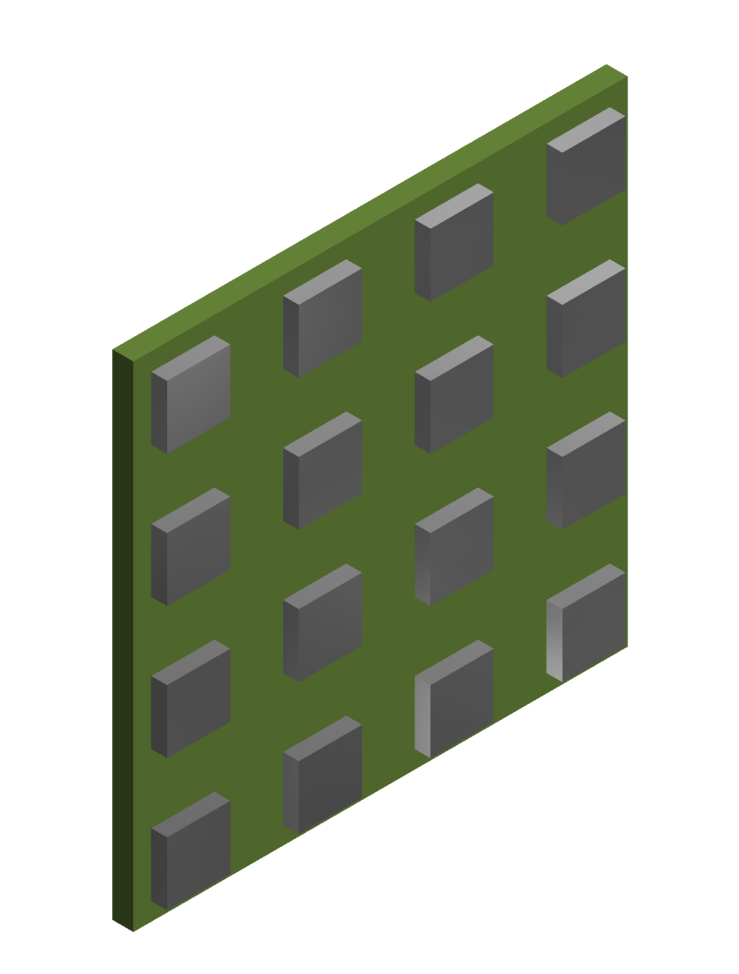

SiPM

SiPM Board
FEB

Heat Sources |  |  | North Half |  | South Half
Component | Heat Generation | Units | Quantity | Total Heat Generation | Quantity | Total Heat Generation | Units | Notes
FEB (Full Board) | 4.5 | W | 277 | 1246.5 | 274 | 1233 | W | Applied on face in contact with thermal pad on heat sink.
FEB (Half Board) | 2.25 | W | 44 | 99 | 24 | 54 | W | Is it safe to assume heat generated by half FEB is half of full FEB?
SiPM Board | 0.17 | W | 2392 | 406.64 | 2288 | 388.96 | W | Total heat applied by 16 SiPMs on each SiPM board. SiPMs are main source of heat. Remember: there are 8 SiPM boards per full FEB.

Status of SImulations?
Current work in progress

Temperature Requirements
Maintain FEB temperature 2-3C above dew point (20C)
Necessity of actively cooling the SiPMs to-be-determined

What assumtions are made for the cooling system?
Very little natural convection (1-10 W/m^2 K) due to light tight cover
System should experience negligable vibration due to (probably) low flow rate and cooling mass. However, flow-induced-vibration should be investigated.

Cooling Other Heat Sources?
Almost certainly not necessary, will keep in mind.

Detector Heat Sources & Geometry
Indicate the heat sources at the detector and how they are distributed over the detector volume
are the heat sources at the rim of the detector or over the entire volume or a mix

ECal Backward
Detector technology: PWO crystals (sensitive to temperature) with SiPM readout (in contact with crystals). FEBs located at 0.5 - 1 m from crystals.

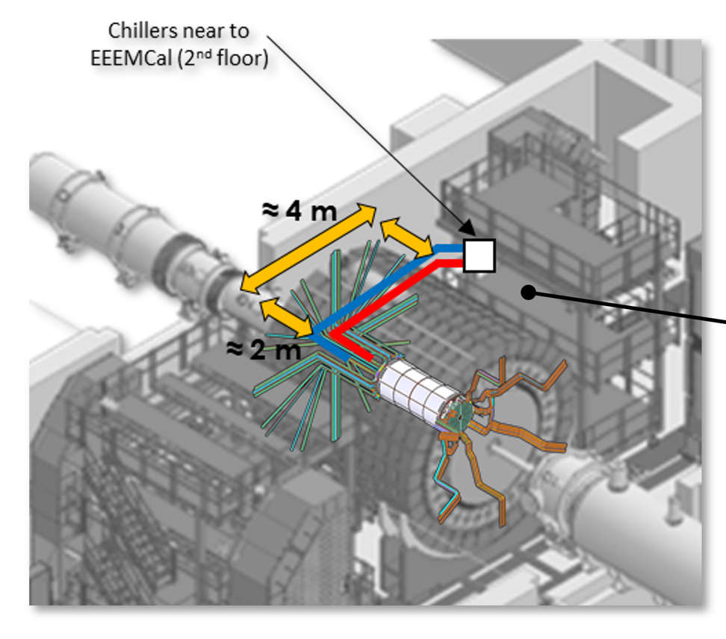
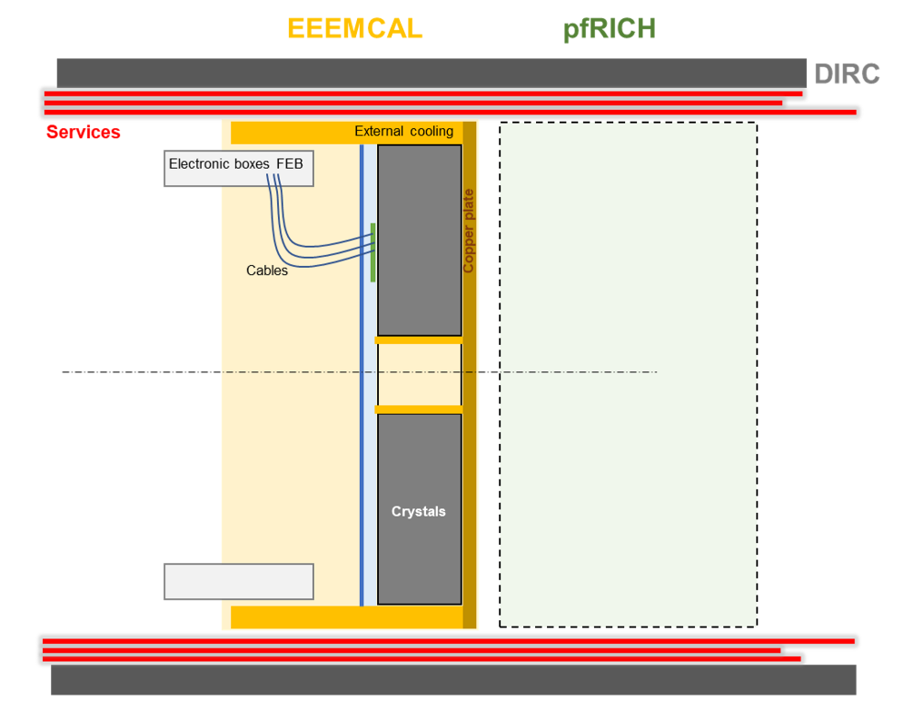
 |  |  | Crystals cooling based on cold water plates around the outer and inner radii of the detector

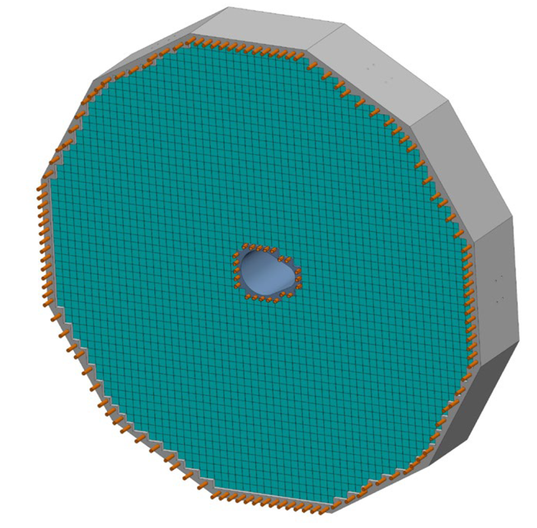

 |  |  | FEBs will be thermally isolated from crystal assembly & cooled separately: water and/or air cooling under investigation

 | Heat source: FEB
 | Estimate: | 1000 W total for all FEBs (location away from crystals)
 | Heat source: SiPM
 | Estimate: | 10 W for all SiPM in contact with crystals

 | ANSYS steady and transient state simulation performed

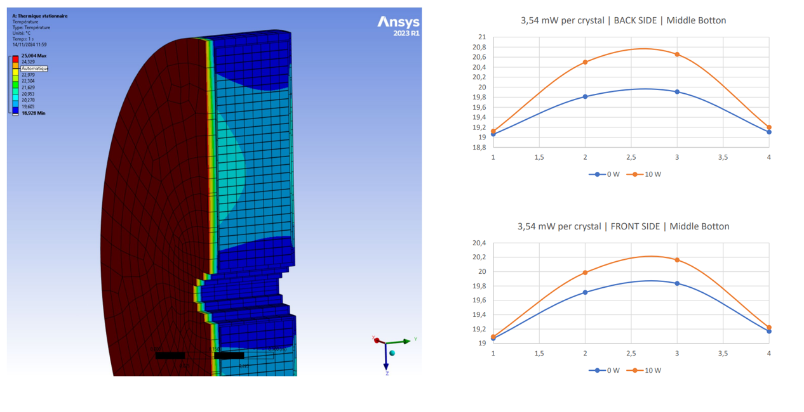

 | Cooling requirements:
 | +/- 0.1 deg C stability on crystals
 | Crystal temperature: 15-25 deg C

 | No further need of cooling outside the detector

HCAL Backward
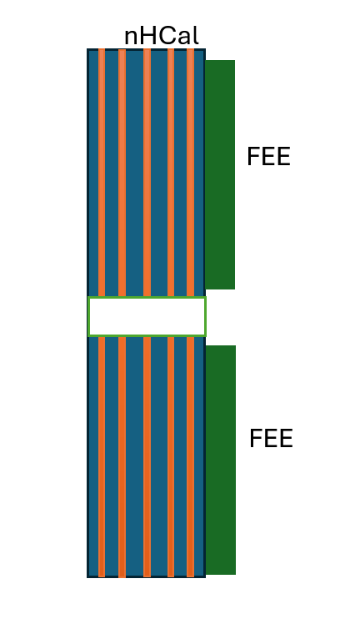
Cooling requirements

With 2352 channels per layer=23520 total (368 ASICs) the dissipated power is 1656 W. In principle, by integrating signals and reducing the number of channels it can be reduced to ~0.5 kW. On the other hand by extending the detector by +50% and separate readout from extra layers the max power is ~2.4 kW.

To keep the nearby EEEMCal cool we may need to couple it to steel or use some other heatsink.

No heat simulations done.
No need for coolant.
SiPMs in nHCal will be cooled by the surounding steel, so this should keep them stable at room temperature.
For FEEs cooling with fans not feasible, because of magnetic field.

Low Q2 Tagger
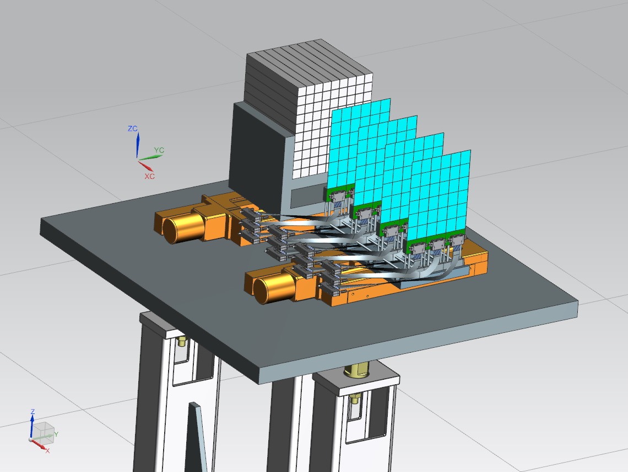
Timepix4 with a Silicon sensor will be the technology for the tracker.
Each Timepix4 chip can require 9 Watts, this may be reduced to suit the requirements in precission of the Low-Q2 tagger.
There is no need to cool the tracker below a reasonable room temperature but a controlled environment is preferable.
Current design has 6x6 Timepix4 ASICs in a layer arranged in 2x6 staves. There are 4 layers per station and 2 stations in total, giving 288 chips. The design is evolving to require fewer detectors but this is still under investigation
 | Maximum Power (Watts)
Timepix4 ASIC | 9
2x6 stave | 108
6x6 layer | 324
4 layer station | 1296
Total 2 Stations | 2592

B0 Tracker
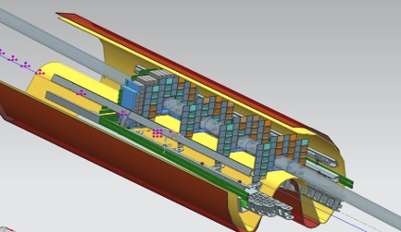

AC-LGADs with EICROC readout is the technology.
Full dimensions are still a bit in flux due to the beam pipe + B0 magnet + mounting rail dimentions.
Head load is expected to be between 1-2 mW/ch, with each "stave" having 1024 x 3 = 3072 channels, or between 3-6 Watts of power dissipation per stave (assuming Roman pot staves tiles onto the B0 geometry).
In the present understanding we need about 150 sensors per B0 layer (50 staves). This means 150 - 300 Watts power dissipation per layer.

B0 Calo
transverse view of the calorimeter crystals, each is 2 x 2 x 20 cm3

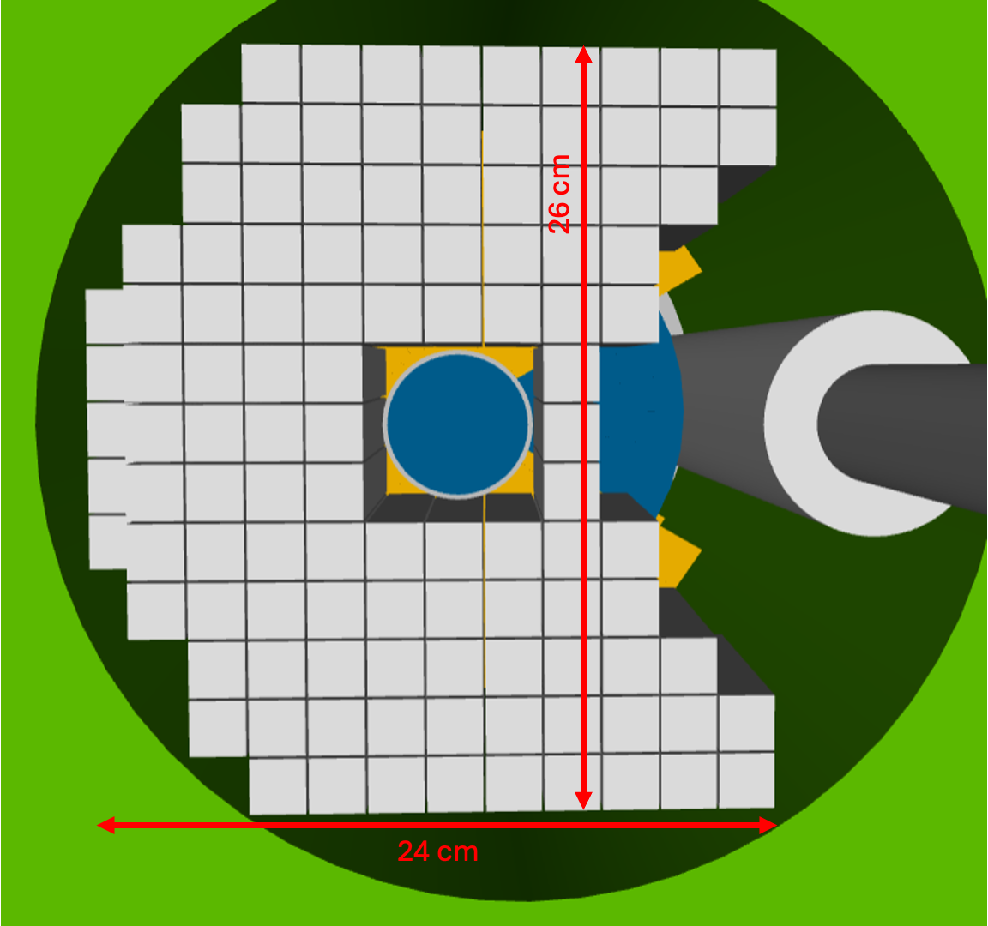

Each crystal will have 4 SiPM
a coarse estimate of 4.5 mW per SiPm leads to a total of about 2W

other elements of the FEE are not yet accounted for

the crystals should operate at 20℃ ± 5℃
but to limit fluctuation in response should be stable at the level of 0.1 ℃

(needed accounting & engineering is still lacking)

OffMomentum
AC-LGADs with EICROC readout is the technology.
Full dimensions are about 20cm vertical and ~ 10cm horizontal.
Head load is expected to be between 1-2 mW/ch, with each "stave" having 1024 x 3 = 3072 channels, or between 3-6 Watts of power dissipation per stave.
To tile the full OMD region, we need ~ 22 staves per layer, so ~ 60 to 150 Watts of power dissipation is expected, per OMD layer.

RomanPots
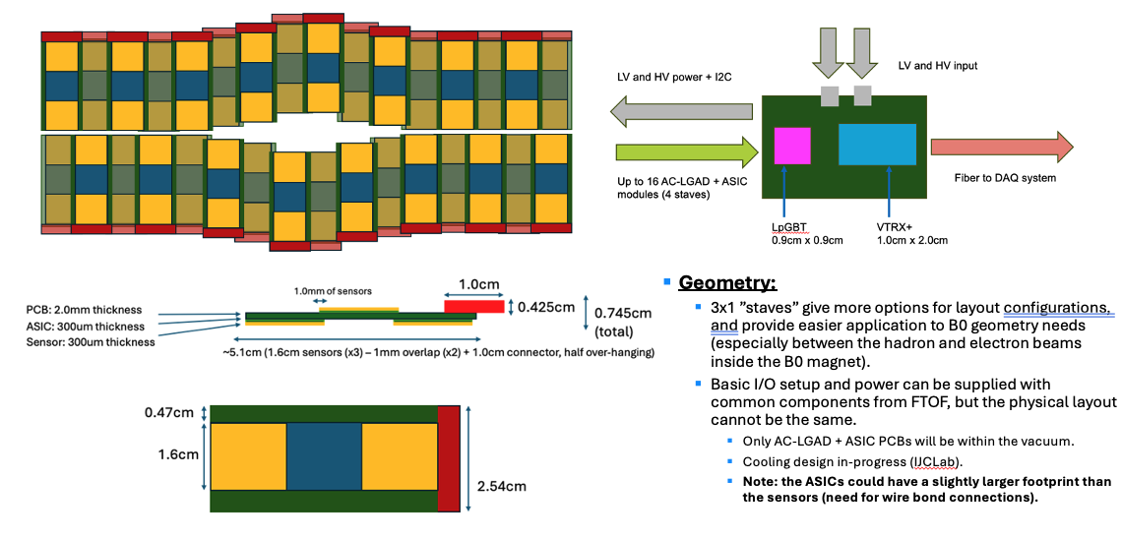

AC-LGADs with EICROC readout is the technology.
Full dimensions are about 26cm horizinal and ~ 12cm vertical, but this is in the "closed" position.
Head load is expected to be between 1-2 mW/ch, with each "stave" having 1024 x 3 = 3072 channels, or between 3-6 Watts of power dissipation per stave.
This amounts to about between 100-200 Watts of total power dissipation per layer of Roman pots.

