Sheet1
Approximate route lengths for IB services through the "cone" region
Joe Silber (LBNL), 2026-02-24
For reference, here is a tabulation of approx service route lengths from the inner barrel layers to the outside diameter. These are drawn in a plane that intersects the Z axis (i.e. no spiraling etc).

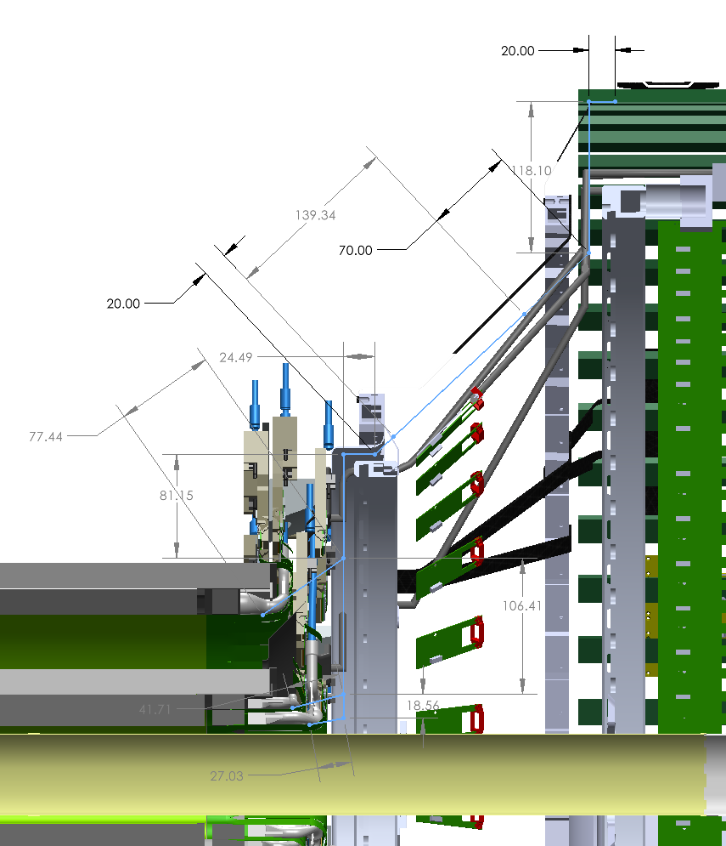
A0
A1
A2
B2
B1
B0
C
D
E
F
G
H
I
Case 1: SIBs at point "I"
 | L0 | L1 | L2
A-B | 27.03 | 41.71 | 77.44 | mm
B-C | 287.27 | 187.56 | 81.15 | mm
C-I | 391.93 | 391.93 | 391.93 | mm
TOTAL FPC LENGTH | 706 | 621 | 551 | mm
TOTAL FPC LENGTH | 71 | 62 | 55 | cm

Case 2: SIBs at point "E", SCBs at point "I"
 | L0 | L1 | L2
A-B | 27.03 | 41.71 | 77.44 | mm
B-C | 287.27 | 187.56 | 81.15 | mm
C-E | 44.49 | 44.49 | 44.49 | mm
TOTAL FPC LENGTH | 359 | 274 | 203 | mm
TOTAL FPC LENGTH | 36 | 27 | 20 | cm

 | ANY LAYER
F-G | 70 | mm
G-H | 118.1 | mm
H-I | 20 | mm
TOTAL SIB-SCB LENGTH | 208 | mm
TOTAL SIB-SCB LENGTH | 21 | cm

