Cable
COIL # | Cable number | CABLE |  |  |  |  |  |  |  |  | INSULATION |  |  | CORE |  |  |  |  | Magnet
 |  | Num of strands | Strand Heat Treat | Avg. Width [mm] | Avg. thickness [mm] | Avg. angle [deg] | pitch-length [mm] | Length (m) | Cable Left (m) | Cable Used (m) | type | thickness [µm] (10 stack) | Comments | material | Thickness [µm] | Width [mm] | comments | cable | used in: | 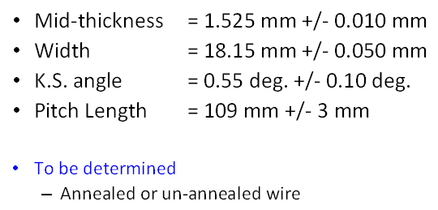

1 | 1050Z | 40 | no | 18.148 | 1.527 | 0.517 | 109 | 168.48 | 42.115 | 126.360 | Braided | 140 | 3 cycle: BNL(142,140,140); NEEW(142,140,140) | SS316L | 25 | 11.8 | Pracitce coil
2 | 1051Z | 40 | yes | 18.094 | 1.524 | 0.518 | 109 | 210.00 |  |  | Braided |  |  | SS316L | 25 | 11.8 | Pracitce coil
3
4
5
6
7
8

Mandrel Rotation Angle
 | Coil 1 |  | Coil 2 |  | Coil 3 |  | Coil 4 |  | Coil 5 |  | Coil 6
L1 | RE | LE | RE | LE | RE | LE | RE | LE | RE | LE | RE | LE
1 | 0 | 0 | 0 | 0
2 | 0 | 0 | 0 | 0
3 | 0 | 0 | 0 | 0
4 | 21 | 16
5 | 22 | 23
6 | 22 | 28
7 | 29 | 26
8 | 30 | 26
9 | 32 | 25
10 | 34 | 30
L1 RE Mandrel Rotation Angle
L1 LE Mandrel Rotation Angle
11 | 31 | 27
12 | 26 | 28
13 | 30 | 28
14 | 32 | 31
15 | 32 | 30
16 | 34 | 30
17 | 30 | 32
18 | 34 | 34
19 | 34 | 29
20 | 32 | 32
21 | 34 | 34
22

L2 RE Mandrel Rotation Angle
L2 LE Mandrel Rotation Angle
 | Coil 1 |  | Coil 2 |  | Coil 3 |  | Coil 4 |  | Coil 5 |  | Coil 6
L2 | RE | LE | RE | LE | RE | LE | RE | LE | RE | LE | RE | LE
1 | 9 | 11
2 | 13 | 8
3 | 11 | 14
4 | 20 | 14
5 | 19 | 18
6 | 18 | N/A
7 | 26 | 19
8 | 24 | 19
9 | 26 | 21
10 | 22 | 19
11 | 25 | 28
12 | 29 | 20
13 | 31 | 25
14 | 25 | 30
15 | 24 | 27
16 | 38 | 41
17 | 31 | 40
18 | 24 | 27
19 | 28 | 27
20 | 34 | 29
21 | 45 | 24
22 | 40 | 36
23 | 34 | 34
24 | 34 | 38
25 | 37 | 36
26 | 46 | 39
27 | 42 | 46
28 | 46 | 48

L1 Cable Position
turn | Coil CAD Model |  |  |  | Coil 1
 | RE Loc (mm) | RE angle | LE Loc (mm) | LE angle | RE Meas (mm) | RE Loc (mm) | Delta | RE angle | Delta | LE Meas (mm) | LE Loc (mm) | Delta | LE angle | Delta
0 | 0 | 9 | 0 | 10 | 505.21 | 0 | 0 | 9 | 0 | 567.51 | 0 | 0 | 11 | 1
1 | 2.248 | 8.43 | 2.246 | 9.43 | 503.4 | 1.81 | -0.438 | 9 | 0.57 | 565.65 | 1.86 | -0.386 | 7 | -2.43
2 | 4.279 | 8.27 | 4.283 | 9.16 | 501.64 | 3.57 | -0.709 | 8 | -0.27 | 563.87 | 3.64 | -0.643 | 7 | -2.16
3 | 6.309 | 8.11 | 6.32 | 9.11 | 499.04 | 6.17 | -0.139 | 7 | -1.11 | 561.71 | 5.8 | -0.52 | 8 | -1.11
4 | 8.338 | 7.94 | 8.355 | 8.74 | 497.83 | 7.38 | -0.958 | 6 | -1.94 | 559.94 | 7.57 | -0.785 | 7 | -1.74
5 | 10.367 | 7.78 | 17.24 | 12.43 | 494.59 | 10.62 | 0.253 | 7 | -0.78 | 550 | 17.51 | 0.27 | 10 | -2.43
6 | 25.86 | 13.43 | 26.855 | 14.43 | 479.32 | 25.89 | 0.03 | 11 | -2.43 | 540.32 | 27.19 | 0.335 | 9 | -5.43
7 | 27.93 | 13.27 | 28.932 | 14.27 | 477.68 | 27.53 | -0.4 | 11 | -2.27 | 538.51 | 29 | 0.068 | 10 | -4.27
8 | 29.999 | 13.11 | 31.01 | 14.11 | 475.62 | 29.59 | -0.409 | 12 | -1.11 | 536.38 | 31.13 | 0.12 | 11 | -3.11
9 | 32.065 | 12.94 | 33.089 | 13.94 | 474.56 | 30.65 | -1.415 | 11 | -1.94 | 534.85 | 32.66 | -0.429 | 11 | -2.94
10 | 34.13 | 12.78 | 35.161 | 13.78 | 471.65 | 33.56 | -0.57 | 11 | -1.78 | 532.49 | 35.02 | -0.141 | 11 | -2.78
11 | 36.134 | 12.71 | 37.236 | 13.67 | 469.62 | 35.59 | -0.544 | 11 | -1.71 | 530.42 | 37.09 | -0.146 | 11 | -2.67
12 | 38.256 | 12.45 | 78.611 | 22.93 | 467.54 | 37.67 | -0.586 | 11 | -1.45 | 489.66 | 77.85 | -0.761 | 20 | -2.93
13 | 89.42 | 24.43 | 80.804 | 22.77 | 416.77 | 88.44 | -0.98 | 21 | -3.43 | 487.89 | 79.62 | -1.184 | 20 | -2.77
14 | 91.643 | 24.27 | 83.001 | 22.61 | 415.29 | 89.92 | -1.723 | 21 | -3.27 | 485.42 | 82.09 | -0.911 | 22 | -0.61
15 | 93.863 | 24.14 | 85.187 | 22.44 | 412.86 | 92.35 | -1.513 | 22 | -2.14 | 484.09 | 83.42 | -1.767 | 22 | -0.44
16 | 96.081 | 24.05 | 87.374 | 22.28 | 410.98 | 94.23 | -1.851 | 19 | -5.05 | 481.76 | 85.75 | -1.624 | 20 | -2.28
17 | 98.295 | 23.8 | 89.564 | 22.11 | 409.54 | 95.67 | -2.625 | 18 | -5.8 | 479.76 | 87.75 | -1.814 | 18 | -4.11
18 | 100.146 | 23.6 | 91.746 | 21.95 | 407.01 | 98.2 | -1.946 | 18 | -5.6 | 477.9 | 89.61 | -2.136 | 18 | -3.95
19 | 102.714 | 23.48 | 93.925 | 21.78 | 405.53 | 99.68 | -3.034 | 18 | -5.48 | 475.86 | 91.65 | -2.275 | 18 | -3.78
20 | 104.919 | 23.29 | 96.102 | 21.62 | 402.76 | 102.45 | -2.469 | 18 | -5.29 | 473.49 | 94.02 | -2.082 | 18 | -3.62
21 | 107.122 | 23.13 | 98.276 | 21.46 | 402.11 | 103.1 | -4.022 | 18 | -5.13 | 471.86 | 95.65 | -2.626 | 18 | -3.46
22 | 109.322 | 22.97
L1 RE Loc
L1 RE Angle
L1 LE Loc
 | CAD | Coil 1
0 | 0 | 0
1 | 2.246 | 1.86
2 | 4.283 | 3.64
3 | 6.32 | 5.8
4 | 8.355 | 7.57
5 | 17.24 | 17.51
6 | 26.855 | 27.19
7 | 28.932 | 29
8 | 31.01 | 31.13
9 | 33.089 | 32.66
10 | 35.161 | 35.02
11 | 37.236 | 37.09
12 | 78.611 | 77.85
13 | 80.804 | 79.62
14 | 83.001 | 82.09
15 | 85.187 | 83.42
16 | 87.374 | 85.75
17 | 89.564 | 87.75
18 | 91.746 | 89.61
19 | 93.925 | 91.65
20 | 96.102 | 94.02
21 | 98.276 | 95.65
22
L1 LE Angle
 | CAD
0 | 10 | 11
1 | 9.43 | 7
2 | 9.16 | 7
3 | 9.11 | 8
4 | 8.74 | 7
5 | 12.43 | 10
6 | 14.43 | 9
7 | 14.27 | 10
8 | 14.11 | 11
9 | 13.94 | 11
10 | 13.78 | 11
11 | 13.67 | 11
12 | 22.93 | 20
13 | 22.77 | 20
14 | 22.61 | 22
15 | 22.44 | 22
16 | 22.28 | 20
17 | 22.11 | 18
18 | 21.95 | 18
19 | 21.78 | 18
20 | 21.62 | 18
21 | 21.46 | 18
22

L1 RE Loc
L1 RE Angle
L1 LE Loc
L1 LE Angle

L1 length measurements
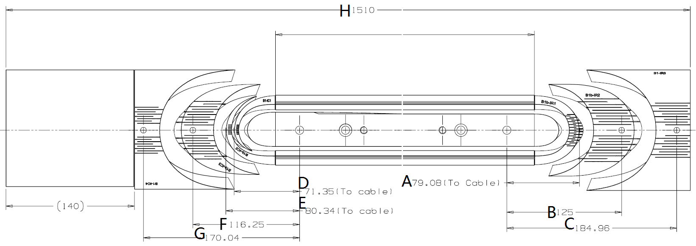
 | Dimensions before curing L1 |  |  |  |  |  |  |  |  |  |  | Dimensions after curing L1 [mm] |  |  |  |  |  |  |  |  |  |  | Release Tension |  |  | Reaction
COIL # | Pole Gap [mm] | A [mm] | B [mm] | C [mm] | D [mm] | E [mm] | F [mm] | G [mm] | H [cm] | Total wedge Gap T side [mm] | Total wedge Gap NT side [mm] | Pole Gap [mm] | A [mm] | B [mm] | C [mm] | D [mm] | E [mm] | F [mm] | G [mm] | H [cm] | Total wedge Gap T side [mm] | Total wedge Gap NT side [mm] | Total wedge Gap T side [mm] | Total wedge Gap NT side [mm] | H [cm] | Total wedge Gap T side [mm] | Total wedge Gap NT side [mm] | H before reaction [cm] | H after reaction [cm]
CAD | 0 | 79.08 | 125 | 184.96 | 71.35 | 80.34 | 116.25 | 170.04 | 151 | 0 | 0 | 0 | 79.08 | 125 | 184.96 | 71.35 | 80.34 | 116.25 | 170.04 | 151 | 0 | 0 | 0 | 0 | 151 | 0 | 0
1 | 7.5 | 79.31 | 123.46 | 182.91 | 71.58 | 81.17 | 115.42 | 167.67 | 152 | 7.54 | 11.87 | 7.35 | 79.33 | 123.85 | 183.44 | 72.44 | 81.4 | 116.54 | 169.64 | 151.7 | 7.54 | 11.87 | 7.66 | - | 151.6 | 0 | 0
Δ1 | 7.5 | 0.23 | -1.54 | -2.05 | 0.23 | 0.83 | -0.83 | -2.37 | 1 | 7.54 | 11.87 | 7.35 | 0.25 | -1.15 | -1.52 | 1.09 | 1.06 | 0.29 | -0.4 | 0.7 | 7.54 | 11.87 | 7.66 | - | 0.6 | 0 | 0
2
Δ2
3
Δ3
4
Δ4
5
Δ5
6
Coil Measurement for L1
Δ6
7
Δ7
8
Δ8
9
Δ9

L2 Cable Position
turn | Coil CAD Model |  |  |  | Coil 1
 | RE Loc (mm) | RE angle | LE Loc (mm) | LE angle | RE Meas (mm) | RE Loc (mm) | Delta | RE angle | Delta | LE Meas (mm) | LE Loc (mm) | Delta | LE angle | Delta
0 | 0 | 11 | 0 | 10 | 268.66 | 0 | 0 | 11 | 0 | 359.1 | 0 | 0 | 10 | 0
1 | 2.246 | 10.43 | 2.249 | 9.43 | 266.4 | 2.26 | 0.014 | 9 | -1.43 | 356.56 | 2.54 | 0.291 | 9 | -0.43
2 | 4.29 | 10.27 | 4.286 | 9.27 | 264.47 | 4.19 | -0.1 | 9 | -1.27 | 354.95 | 4.15 | -0.136 | 9 | -0.27
3 | 6.333 | 10.11 | 6.321 | 9.11 | 262.9 | 5.76 | -0.573 | 7 | -3.11 | 351.1 | 8 | 1.679 | 9 | -0.11
4 | 8.375 | 9.94 | 8.356 | 8.94 | 260.62 | 8.04 | -0.335 | 8 | -1.94 | 350.93 | 8.17 | -0.186 | 9 | 0.06
5 | 21.24 | 13.43 | 22.241 | 12.43 | 247.64 | 21.02 | -0.22 | 11 | -2.43 | N/A | #VALUE! | #VALUE! | N/A | #VALUE!
6 | 23.309 | 13.27 | 24.301 | 12.27 | 245.22 | 23.44 | 0.131 | 11 | -2.27 | 334.6 | 24.5 | 0.199 | 11 | -1.27 | _
7 | 25.373 | 13.11 | 26.36 | 12.11 | 243.68 | 24.98 | -0.393 | 11 | -2.11 | 333.17 | 25.93 | -0.43 | 10 | -2.11
8 | 27.435 | 12.94 | 28.414 | 11.94 | 241.8 | 26.86 | -0.575 | 11 | -1.94 | 331.51 | 27.59 | -0.824 | 10 | -1.94
9 | 29.496 | 12.78 | 30.466 | 11.78 | 239.74 | 28.92 | -0.576 | 10 | -2.78 | 329.27 | 29.83 | -0.636 | 10 | -1.78
10 | 31.556 | 12.62 | 32.517 | 11.62 | 237.84 | 30.82 | -0.736 | 9 | -3.62 | 326.82 | 32.28 | -0.237 | 10 | -1.62
11 | 33.614 | 12.45 | 34.567 | 11.46 | 235.4 | 33.26 | -0.354 | 9 | -3.45 | 325.32 | 33.78 | -0.787 | 9 | -2.46
12 | 35.67 | 12.29 | 36.614 | 11.29 | 233.55 | 35.11 | -0.56 | 11 | -1.29 | 323.07 | 36.03 | -0.584 | 9 | -2.29
13 | 89.131 | 22.5 | 64.167 | 18.43 | 179.65 | 89.01 | -0.121 | 22 | -0.5 | 295.82 | 63.28 | -0.887 | 18 | -0.43
14 | 91.19 | 21.93 | 86.129 | 21.43 | 178.14 | 90.52 | -0.67 | 19 | -2.93 | 273.72 | 85.38 | -0.749 | 19 | -2.43
15 | 93.367 | 21.77 | 88.298 | 21.27 | 176.34 | 92.32 | -1.047 | 19 | -2.77 | 271.97 | 87.13 | -1.168 | 19 | -2.27
16 | 95.543 | 21.61 | 90.466 | 21.1 | 174.99 | 93.67 | -1.873 | 19 | -2.61 | 270.35 | 88.75 | -1.716 | 19 | -2.1
17 | 97.715 | 21.44 | 92.63 | 20.94 | 172.2 | 96.46 | -1.255 | 19 | -2.44 | 268.4 | 90.7 | -1.93 | 19 | -1.94
18 | 99.885 | 21.28 | 94.792 | 20.78 | 170.41 | 98.25 | -1.635 | 19 | -2.28 | 266.4 | 92.7 | -2.092 | 17 | -3.78
19 | 102.052 | 21.12 | 96.951 | 20.61 | 168.37 | 100.29 | -1.762 | 17 | -4.12 | 264.28 | 94.82 | -2.131 | 17 | -3.61
20 | 104.216 | 20.95 | 99.108 | 20.45 | 166.2 | 102.46 | -1.756 | 17 | -3.95 | 262.4 | 96.7 | -2.408 | 17 | -3.45
21 | 106.378 | 20.79 | 101.262 | 20.29 | 164.67 | 103.99 | -2.388 | 17 | -3.79 | 260.39 | 98.71 | -2.552 | 18 | -2.29
22 | 108.538 | 20.65 | 103.414 | 20.12 | 162.5 | 106.16 | -2.378 | 17 | -3.65 | 257.81 | 101.29 | -2.124 | 18 | -2.12
23 | 110.695 | 20.46 | 105.564 | 19.96 | 159.98 | 108.68 | -2.015 | 17 | -3.46 | 255.98 | 103.12 | -2.444 | 18 | -1.96
24 | 112.849 | 20.3 | 107.711 | 19.8 | 158.54 | 110.12 | -2.729 | 17 | -3.3 | 253.59 | 105.51 | -2.201 | 18 | -1.8
25 | 115.001 | 20.14 | 109.855 | 19.64 | 155.72 | 112.94 | -2.061 | 21 | 0.86 | 251.89 | 107.21 | -2.645 | 18 | -1.64
26 | 117.151 | 19.97 | 111.998 | 19.47 | 153.51 | 115.15 | -2.001 | 21 | 1.03 | 249.71 | 109.39 | -2.608 | 19 | -0.47
27 | 119.299 | 19.81 | 114.137 | 19.31 | 151.71 | 116.95 | -2.349 | 21 | 1.19 | 247.61 | 111.49 | -2.647 | 19 | -0.31
28 | 121.444 | 19.65 | 116.275 | 19.15 | 149.11 | 119.55 | -1.894 | 21 | 1.35 | 245.35 | 113.75 | -2.525 | 19 | -0.15

L2 LE Angle
L2 RE Loc
L2 RE Angle
L2 LE Loc

L2 length measurements
 | Dimensions before curing L2 |  |  |  |  |  |  |  |  |  |  | Dimensions after curing L2 (coil sitting on the mandrel) |  |  |  |  |  |  |  |  |  |  | Release tension |  |  |  | Reaction
COIL # | Pole Gap [mm] | I [mm] | J [mm] | K [mm] | L [mm] | M [mm] | N [mm] | O [mm] | P [cm] | Total wedge Gap T side [mm] | Total wedge Gap NT side [mm] | Pole Gap [mm] | I [mm] | J [mm] | K [mm] | L [mm] | M [mm] | N [mm] | O [mm] | P [cm] | Total wedge Gap T side [mm] | Total wedge Gap NT side [mm] | Pole Gap [mm] | Total wedge Gap T side [mm] | Total wedge Gap NT side [mm] | P [cm] | Gap before reaction [mm] | Gap after reaction [mm] | Total wedge Gap T side [mm] | Total wedge Gap NT side [mm] | P before reaction [cm] | P after reaction [cm]
CAD | 0 | 57.09 | 110 | 184.96 | 56.35 | 87.25 | 110.25 | 170.04 | 151 | 0 | 0 | 0 | 57.09 | 110 | 184.96 | 56.35 | 87.25 | 110.25 | 170.04 | 151 | 0 | 0 | 0 | 0 | 0 | 151 |  | 0 | 0 | 0
1 | 7.09 | 57.7 | 108.87 | 183.3 | 57 | 89 | 110.3 | 168.07 | 151.5 | 8.48 | 8.1 | 6.52 | 58 | 109.27 | 182.7 | 57.42 | 87.37 | 110.27 | 168.45 | 151.2 | 7.31 | 6.85 | 5.47 | 6.98 | 6.75 | 151.26 |  | 0 | 0 | 0
Δ1 | 7.09 | 0.61 | -1.13 | -1.66 | 0.65 | 1.75 | 0.05 | -1.97 | 0.5 | 8.48 | 8.1 | 6.52 | 0.91 | -0.73 | -2.26 | 1.07 | 0.12 | 0.02 | -1.59 | 0.2 | 7.31 | 6.85 | 5.47 | 6.98 | 6.75 | 0.26 |  | 0 | 0 | 0
2
Δ2
3
Δ3
4
Δ4
5
Δ5
6
Δ6
7
Δ7
8
Δ8
9
Δ9

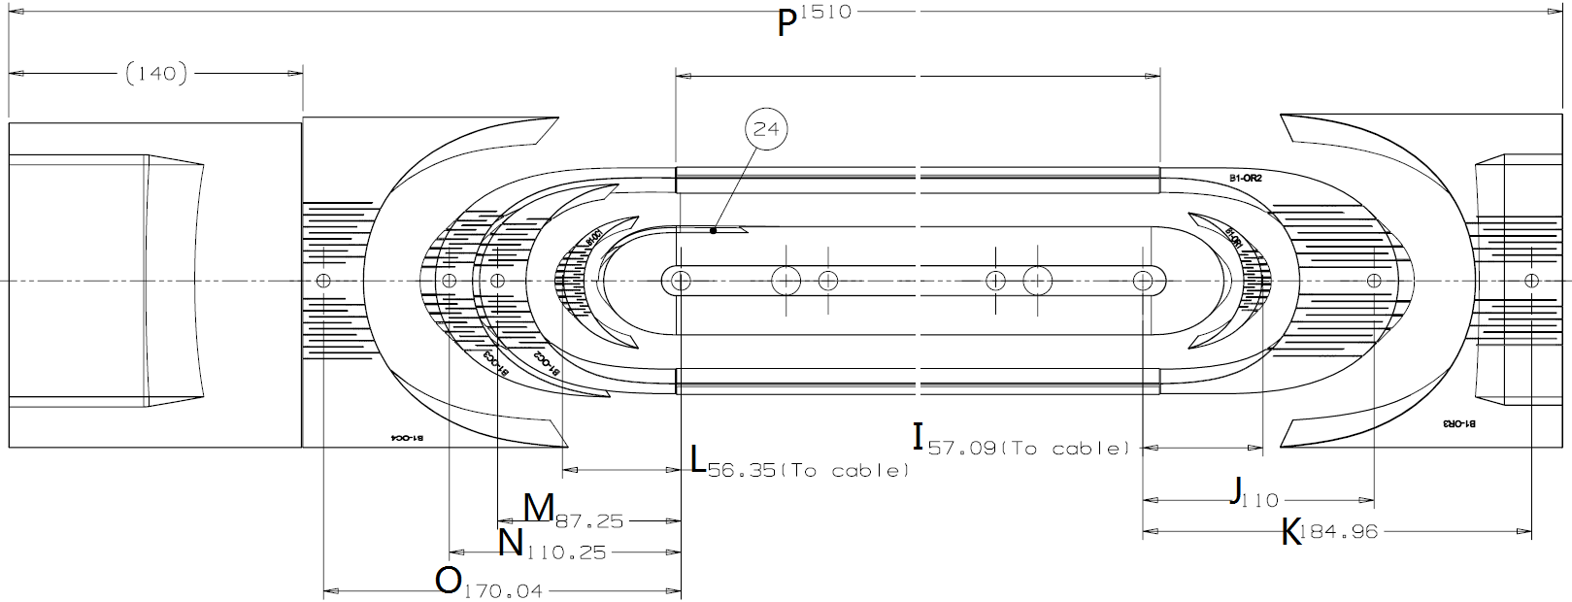

Coil Measurement for L1

Pole Gap
Pole Gap Measurements
 | Original Gap | After release tension | After reaction
1 | 7.5 | 5.47 | 0
2
3
4
5
6
7
8
9

L1 T Wedge gap
L1 Tansition Side
 | Origianl gap | After release tension | After Reaction
1 | 7.54 | 7.66 | 0
2
3
4
5
6
7
8
9

L1 NT Wedge gap
L1 Non-Tansition Side
 | Origianl gap | After release tension | After Reaction
1 | 11.87 | 0 | 0
2
3
4
5
6
7
8
9

L2 T Wedge gap
L2 Tansition Side
 | Origianl gap | After release tension | After Reaction
1 | 8.48 | 6.98 | 0
2
3
4
5
6
7
8
9

L2 NT Wedge gap
L2 Non-Tansition Side
 | Origianl gap | After release tension | After Reaction
1 | 8.1 | 6.75 | 0
2
3
4
5
6
7
8
9

